Step 1.6
Vo vs. Time Characteristics
Time | v(vo)
Seconds | Volts
0 | 0.15285421978 | 0.1548523555
0.00000025 | 0.15285855239 | 0.15085612298
0.0000005 | 0.15286183772 | 0.15285423924
0.000001 | 0.15286803247 | 0.0039962325163
0.000002 | 0.1528806708 | 0.0019981162581
0.000004 | 0.1529057355
0.000008 | 0.15295602486
0.000016 | 0.15305620368
0.000032 | 0.15325494175
0.000057 | 0.15355649565
0.000082 | 0.15384085742
0.000107 | 0.15410082628
0.000132 | 0.15433019408
0.000157 | 0.15452312594
0.000182 | 0.1546750571
0.000207 | 0.15478206212
0.000232 | 0.15484168804
0.000257 | 0.15485228592
0.000282 | 0.15481376943
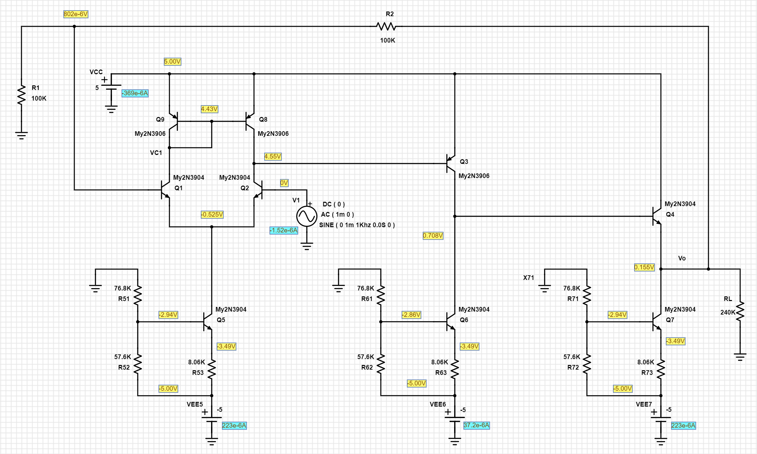
0.000307 | 0.15472691874
0.000332 | 0.15459404332
0.000357 | 0.15441824341
0.000382 | 0.15420400958
0.000407 | 0.15395646455
0.000432 | 0.15368185657
0.000457 | 0.15338679032
0.000482 | 0.15307868613
0.000507 | 0.15276498154
0.000532 | 0.15245354659
0.000557 | 0.15215190423
0.000582 | 0.15186763175
0.000607 | 0.15160757685
0.000632 | 0.15137828957
0.000657 | 0.15118527694
0.000682 | 0.15103342658
0.000707 | 0.1509263447
0.000732 | 0.15086679672
0.000757 | 0.15085612298
0.000782 | 0.15089471036
0.000807 | 0.15098149162
0.000832 | 0.15111443675
0.000857 | 0.15129016897
0.000882 | 0.15150446838
0.000907 | 0.15175194954
0.000932 | 0.15202662139
0.000957 | 0.15232162504
0.000982 | 0.1526297905
0.001007 | 0.15294343506
0.001032 | 0.15325492858
0.001057 | 0.15355650668
0.001082 | 0.15384084043
0.001107 | 0.15410084082
0.001132 | 0.15433017912
0.001157 | 0.15452314071
0.001182 | 0.15467504578
0.001207 | 0.15478207676
0.001232 | 0.1548416729
0.001257 | 0.15485229764
0.001282 | 0.15481375665
0.001307 | 0.15472693436
0.001332 | 0.15459402894
0.001357 | 0.15441825743
0.001382 | 0.15420399591
0.001407 | 0.15395647785
0.001432 | 0.15368184288
0.001457 | 0.15338680558
0.001482 | 0.15307867168
0.001507 | 0.15276499567
0.001532 | 0.15245353634
0.001557 | 0.15215192329
0.001582 | 0.15186761726
0.001607 | 0.15160759361
0.001632 | 0.15137827849
0.001657 | 0.15118529248
0.001682 | 0.15103341186
0.001707 | 0.15092636059
0.001732 | 0.15086678025
0.001757 | 0.15085613901
0.001782 | 0.15089469775
0.001807 | 0.1509815018
0.001832 | 0.15111442299
0.001857 | 0.15129018112
0.001882 | 0.15150445013
0.001907 | 0.15175196333
0.001932 | 0.15202660736
0.001957 | 0.1523216383
0.001982 | 0.15262977702
0.002007 | 0.15294344702
0.002032 | 0.15325491305
0.002057 | 0.15355652383
0.002082 | 0.15384082551
0.002107 | 0.15410085488
0.002132 | 0.15433016472
0.002157 | 0.15452315776
0.002182 | 0.1546750289
0.002207 | 0.15478209218
0.002232 | 0.15484165667
0.002257 | 0.15485231157
0.002282 | 0.15481373939
0.002307 | 0.15472695034
0.002332 | 0.15459401462
0.002357 | 0.15441826996
0.002382 | 0.15420398221
0.002407 | 0.15395649478
0.002432 | 0.15368182701
0.002457 | 0.15338681886
0.002482 | 0.15307865618
0.002507 | 0.15276501175
0.002532 | 0.15245351818
0.002557 | 0.15215193601
0.002582 | 0.15186760364
0.002607 | 0.15160760716
0.002632 | 0.15137826261
0.002657 | 0.15118530987
0.002682 | 0.15103340054
0.002707 | 0.15092637572
0.002732 | 0.15086676834
0.002757 | 0.15085615294
0.002782 | 0.15089467924
0.002807 | 0.15098152039
0.002832 | 0.1511144087
0.002857 | 0.15129019691
0.002882 | 0.15150443876
0.002907 | 0.15175197872
0.002932 | 0.15202659502
0.002957 | 0.15232165222
0.002982 | 0.15262976252
0.003007 | 0.1529434609
0.003032 | 0.15325489784
0.003057 | 0.15355653966
0.003082 | 0.15384081117
0.003107 | 0.1541008682
0.003132 | 0.1543301492
0.003157 | 0.15452317137
0.003182 | 0.15467501287
0.003207 | 0.15478210365
0.003232 | 0.15484164472
0.003257 | 0.15485232681
0.003282 | 0.15481372558
0.003307 | 0.15472696389
0.003332 | 0.1545939979
0.003357 | 0.15441828538
0.003382 | 0.15420396859
0.003407 | 0.15395650673
0.003432 | 0.15368181114
0.003457 | 0.15338683463
0.003482 | 0.15307864255
0.003507 | 0.15276502632
0.003532 | 0.15245350374
0.003557 | 0.15215195264
0.003582 | 0.15186758656
0.003607 | 0.15160762301
0.003632 | 0.15137824552
0.003657 | 0.15118532325
0.003682 | 0.15103338171
0.003707 | 0.15092638924
0.003732 | 0.15086675331
0.003757 | 0.15085616912
0.003782 | 0.15089466659
0.003807 | 0.15098153626
0.003832 | 0.15111439282
0.003857 | 0.15129021292
0.003882 | 0.15150442315
0.003907 | 0.15175199315
0.003932 | 0.15202657817
0.003957 | 0.1523216702
0.003982 | 0.15262974522
0.004007 | 0.1529434781
0.004032 | 0.15325488267
0.004057 | 0.15355655364
0.004082 | 0.15384079866
0.004107 | 0.15410088521
0.004132 | 0.15433013588
0.004157 | 0.15452318461
0.004182 | 0.15467499706
0.004207 | 0.1547821212
0.004232 | 0.15484162641
0.004257 | 0.15485234329
0.004282 | 0.15481371163
0.004307 | 0.15472697935
0.004332 | 0.15459398298
0.004357 | 0.15441830143
0.004382 | 0.15420395039
0.004407 | 0.15395652331
0.004432 | 0.15368179718
0.004457 | 0.15338685023
0.004482 | 0.15307862693
0.004507 | 0.15276504042
0.004532 | 0.1524534896
0.004557 | 0.15215196362
0.004582 | 0.15186757171
0.004607 | 0.15160764085
0.004632 | 0.15137823168
0.004657 | 0.15118533821
0.004682 | 0.15103336636
0.004707 | 0.15092640633
0.004732 | 0.15086673918
0.004757 | 0.1508561818
0.004782 | 0.15089465337
0.004807 | 0.15098155052
0.004832 | 0.15111437797
0.004857 | 0.15129022821
0.004882 | 0.15150440918
0.004907 | 0.15175200428
0.004932 | 0.15202656588
0.004957 | 0.15232168416
0.004982 | 0.15262973257
0.005007 | 0.15294349188
0.005032 | 0.15325487177
0.005057 | 0.15355656929
0.005082 | 0.15384078318
0.005107 | 0.15410089693
0.005132 | 0.15433012227
0.005157 | 0.15452319739
0.005182 | 0.15467498423
0.005207 | 0.15478213463
0.005232 | 0.15484161525
0.005257 | 0.1548523555
0.005282 | 0.15481369868
0.005307 | 0.15472699246
0.005332 | 0.15459397129
0.005357 | 0.15441831494
0.005382 | 0.15420393527
0.005407 | 0.15395653672
0.005432 | 0.15368178366
0.005457 | 0.15338685959
0.005482 | 0.15307861616
0.005507 | 0.15276505398
0.005532 | 0.15245347517
0.005557 | 0.15215197918
0.005582 | 0.15186756118
0.005607 | 0.15160764947
0.005632 | 0.15137822006
0.005657 | 0.15118534896
0.005682 | 0.15103335576
0.005707 | 0.15092641323
0.005732 | 0.1508667282
0.005757 | 0.15085619619
0.005782 | 0.15089463989
0.005807 | 0.15098155942
0.005832 | 0.15111436632
0.005857 | 0.15129024013
0.005882 | 0.15150439505
0.005907 | 0.15175201551
0.005932 | 0.15202655116
0.005957 | 0.15232169219
0.005982 | 0.15262971856
0.006 | 0.15285556169

Step 1.7
Frequency | vm(vo) | ph(v(vo)) | Av | Av
Hz | Volts | deg | V/V | dB
1000 | 0.0020000747479 | 0.036707511164 | 2.0 | 6.0
1023.0597298 | 0.0020000747696 | 0.037553976839 | 2.0 | 6.0
1046.6512108 | 0.0020000747942 | 0.038419960347 | 2.0 | 6.0
1070.786705 | 0.002000074818 | 0.039305913837 | 2.0 | 6.0
1095.4787571 | 0.0020000748452 | 0.040212298786 | 2.0 | 6.0
1120.7402013 | 0.0020000748712 | 0.041139581844 | 2.0 | 6.0
1146.5841676 | 0.0020000749004 | 0.042088249747 | 2.0 | 6.0
1173.0240887 | 0.0020000749289 | 0.043058793649 | 2.0 | 6.0
1200.0737073 | 0.0020000749602 | 0.04405171736 | 2.0 | 6.0
1227.7470828 | 0.0020000749938 | 0.045067537448 | 2.0 | 6.0
1256.0585988 | 0.0020000750265 | 0.046106783075 | 2.0 | 6.0
1285.0229708 | 0.0020000750621 | 0.047169992422 | 2.0 | 6.0
1314.6552533 | 0.0020000751003 | 0.048257719086 | 2.0 | 6.0
1344.9708483 | 0.0020000751392 | 0.049370529185 | 2.0 | 6.0
1375.9855127 | 0.0020000751804 | 0.050509000426 | 2.0 | 6.0
1407.7153669 | 0.0020000752239 | 0.051673724002 | 2.0 | 6.0
1440.176903 | 0.0020000752683 | 0.052865305025 | 2.0 | 6.0
1473.3869933 | 0.0020000753151 | 0.054084365668 | 2.0 | 6.0
1507.3628993 | 0.0020000753646 | 0.055331535659 | 2.0 | 6.0
1542.1222805 | 0.0020000754158 | 0.056607464715 | 2.0 | 6.0
1577.6832037 | 0.0020000754688 | 0.057912817406 | 2.0 | 6.0
1614.0641522 | 0.0020000755252 | 0.059248271144 | 2.0 | 6.0
1651.2840355 | 0.0020000755836 | 0.06061451993 | 2.0 | 6.0
1689.3621992 | 0.0020000756465 | 0.062012273109 | 2.0 | 6.0
1728.3184351 | 0.0020000757103 | 0.063442259448 | 2.0 | 6.0
1768.1729913 | 0.0020000757765 | 0.064905219798 | 2.0 | 6.0
1808.9465828 | 0.0020000758482 | 0.066401915841 | 2.0 | 6.0
1850.6604023 | 0.0020000759234 | 0.067933125455 | 2.0 | 6.0
1893.3361312 | 0.0020000759991 | 0.069499644488 | 2.0 | 6.0
1936.9959509 | 0.0020000760812 | 0.071102287002 | 2.0 | 6.0
1981.6625542 | 0.0020000761683 | 0.072741885183 | 2.0 | 6.0
2027.3591574 | 0.0020000762554 | 0.074419292573 | 2.0 | 6.0
2074.1095118 | 0.0020000763483 | 0.076135380451 | 2.0 | 6.0
2121.9379168 | 0.0020000764449 | 0.077891039998 | 2.0 | 6.0
2170.869232 | 0.0020000765464 | 0.079687185563 | 2.0 | 6.0
2220.92889 | 0.0020000766524 | 0.0815247493 | 2.0 | 6.0
2272.1429102 | 0.0020000767632 | 0.083404686576 | 2.0 | 6.0
2324.5379118 | 0.0020000768814 | 0.085327974882 | 2.0 | 6.0
2378.1411281 | 0.0020000770043 | 0.087295613157 | 2.0 | 6.0
2432.98042 | 0.0020000771288 | 0.089308624436 | 2.0 | 6.0
2489.0842912 | 0.0020000772624 | 0.091368055338 | 2.0 | 6.0
2546.4819025 | 0.0020000774045 | 0.093474976587 | 2.0 | 6.0
2605.2030873 | 0.0020000775508 | 0.095630482535 | 2.0 | 6.0
2665.2783666 | 0.0020000777062 | 0.097835693471 | 2.0 | 6.0
2726.7389657 | 0.0020000778659 | 0.10009175538 | 2.0 | 6.0
2789.6168296 | 0.0020000780343 | 0.10239984185 | 2.0 | 6.0
2853.9446401 | 0.0020000782088 | 0.10476115199 | 2.0 | 6.0
2919.7558325 | 0.0020000783955 | 0.1071769132 | 2.0 | 6.0
2987.0846132 | 0.0020000785861 | 0.10964838014 | 2.0 | 6.0
3055.9659774 | 0.0020000787892 | 0.11217683954 | 2.0 | 6.0
3126.4357272 | 0.0020000789993 | 0.11476360346 | 2.0 | 6.0
3198.5304905 | 0.0020000792209 | 0.11741001746 | 2.0 | 6.0
3272.2877395 | 0.0020000794499 | 0.12011745618 | 2.0 | 6.0
3347.7458107 | 0.0020000796936 | 0.12288732835 | 2.0 | 6.0
3424.9439247 | 0.0020000799466 | 0.12572107204 | 2.0 | 6.0
3503.9222063 | 0.002000080212 | 0.12862016076 | 2.0 | 6.0
3584.7217058 | 0.0020000804902 | 0.13158610258 | 2.0 | 6.0
3667.3844199 | 0.0020000807803 | 0.1346204362 | 2.0 | 6.0
3751.9533138 | 0.0020000810849 | 0.13772474151 | 2.0 | 6.0
3838.4723436 | 0.0020000814041 | 0.1409006309 | 2.0 | 6.0
3926.9864789 | 0.0020000817345 | 0.14414975333 | 2.0 | 6.0
4017.5417262 | 0.0020000820848 | 0.14747380092 | 2.0 | 6.0
4110.185153 | 0.0020000824496 | 0.15087449875 | 2.0 | 6.0
4204.9649122 | 0.0020000828317 | 0.15435361546 | 2.0 | 6.0
4301.9302671 | 0.0020000832304 | 0.15791295873 | 2.0 | 6.0
4401.1316169 | 0.002000083649 | 0.16155437913 | 2.0 | 6.0
4502.620523 | 0.0020000840877 | 0.16527976941 | 2.0 | 6.0
4606.4497358 | 0.0020000845445 | 0.16909106452 | 2.0 | 6.0
4712.6732222 | 0.0020000850262 | 0.17299024746 | 2.0 | 6.0
4821.3461936 | 0.0020000855289 | 0.17697934286 | 2.0 | 6.0
4932.5251343 | 0.0020000860516 | 0.18106042434 | 2.0 | 6.0
5046.2678313 | 0.0020000866021 | 0.18523561431 | 2.0 | 6.0
5162.6334042 | 0.0020000871773 | 0.18950708167 | 2.0 | 6.0
5281.6823358 | 0.0020000877806 | 0.19387704703 | 2.0 | 6.0
5403.4765036 | 0.0020000884124 | 0.19834778154 | 2.0 | 6.0
5528.079212 | 0.0020000890718 | 0.20292160816 | 2.0 | 6.0
5655.5552251 | 0.0020000897613 | 0.20760090445 | 2.0 | 6.0
5785.9708007 | 0.002000090486 | 0.21238810345 | 2.0 | 6.0
5919.3937243 | 0.0020000912421 | 0.21728569184 | 2.0 | 6.0
6055.8933444 | 0.0020000920349 | 0.22229621605 | 2.0 | 6.0
6195.5406089 | 0.0020000928646 | 0.22742227956 | 2.0 | 6.0
6338.4081015 | 0.002000093731 | 0.23266654615 | 2.0 | 6.0
6484.57008 | 0.0020000946385 | 0.23803174212 | 2.0 | 6.0
6634.1025142 | 0.0020000955911 | 0.24352065713 | 2.0 | 6.0
6787.0831259 | 0.0020000965837 | 0.24913614104 | 2.0 | 6.0
6943.5914292 | 0.0020000976266 | 0.2548811153 | 2.0 | 6.0
7103.7087717 | 0.0020000987162 | 0.2607585638 | 2.0 | 6.0
7267.5183769 | 0.0020000998593 | 0.26677154287 | 2.0 | 6.0
7435.1053873 | 0.002000101052 | 0.27292317467 | 2.0 | 6.0
7606.5569088 | 0.0020001023029 | 0.27921665951 | 2.0 | 6.0
7781.9620562 | 0.0020001036087 | 0.2856552651 | 2.0 | 6.0
7961.4119989 | 0.0020001049818 | 0.29224234246 | 2.0 | 6.0
8145.0000087 | 0.0020001064113 | 0.29898130827 | 2.0 | 6.0
8332.8215085 | 0.0020001079112 | 0.30587567008 | 2.0 | 6.0
8524.9741213 | 0.002000109482 | 0.3129290099 | 2.0 | 6.0
8721.5577214 | 0.0020001111254 | 0.32014499248 | 2.0 | 6.0
8922.6744863 | 0.0020001128433 | 0.32752736716 | 2.0 | 6.0
9128.4289494 | 0.0020001146449 | 0.33507997355 | 2.0 | 6.0
9338.9280549 | 0.0020001165279 | 0.34280673327 | 2.0 | 6.0
9554.2812129 | 0.0020001185001 | 0.35071166415 | 2.0 | 6.0
9774.6003565 | 0.0020001205638 | 0.35879887336 | 2.0 | 6.0
10000 | 0.0020001227237 | 0.36707256374 | 2.0 | 6.0
10230.597298 | 0.0020001249841 | 0.3755370349 | 2.0 | 6.0
10466.512108 | 0.0020001273509 | 0.38419668626 | 2.0 | 6.0
10707.86705 | 0.0020001298265 | 0.3930560166 | 2.0 | 6.0
10954.787571 | 0.0020001324162 | 0.40211962978 | 2.0 | 6.0
11207.402013 | 0.0020001351311 | 0.41139223956 | 2.0 | 6.0
11465.841676 | 0.0020001379717 | 0.42087866114 | 2.0 | 6.0
11730.240887 | 0.0020001409431 | 0.43058382387 | 2.0 | 6.0
12000.737073 | 0.0020001440538 | 0.44051277226 | 2.0 | 6.0
12277.470828 | 0.0020001473084 | 0.45067066465 | 2.0 | 6.0
12560.585988 | 0.0020001507179 | 0.46106278244 | 2.0 | 6.0
12850.229708 | 0.0020001542847 | 0.47169452224 | 2.0 | 6.0
13146.552533 | 0.0020001580192 | 0.48257141094 | 2.0 | 6.0
13449.708483 | 0.002000161926 | 0.4936990979 | 2.0 | 6.0
13759.855127 | 0.0020001660129 | 0.50508336467 | 2.0 | 6.0
14077.153669 | 0.0020001702968 | 0.51673013368 | 2.0 | 6.0
14401.76903 | 0.0020001747765 | 0.52864544794 | 2.0 | 6.0
14733.869933 | 0.0020001794653 | 0.54083550205 | 2.0 | 6.0
15073.628993 | 0.002000184372 | 0.55330662878 | 2.0 | 6.0
15421.222805 | 0.002000189508 | 0.56606530875 | 2.0 | 6.0
15776.832037 | 0.0020001948858 | 0.57911817262 | 2.0 | 6.0
16140.641522 | 0.0020002005143 | 0.59247200014 | 2.0 | 6.0
16512.840355 | 0.0020002064027 | 0.60613372647 | 2.0 | 6.0
16893.621992 | 0.0020002125691 | 0.62011045525 | 2.0 | 6.0
17283.184351 | 0.0020002190204 | 0.63440944174 | 2.0 | 6.0
17681.729913 | 0.0020002257734 | 0.64903811776 | 2.0 | 6.0
18089.465828 | 0.002000232843 | 0.66400408385 | 2.0 | 6.0
18506.604023 | 0.0020002402395 | 0.67931510967 | 2.0 | 6.0
18933.361312 | 0.0020002479838 | 0.69497915533 | 2.0 | 6.0
19369.959509 | 0.0020002560894 | 0.71100435463 | 2.0 | 6.0
19816.625542 | 0.0020002645702 | 0.72739902803 | 2.0 | 6.0
20273.591574 | 0.0020002734502 | 0.7441716994 | 2.0 | 6.0
20741.095118 | 0.0020002827415 | 0.7613310725 | 2.0 | 6.0
21219.379168 | 0.0020002924692 | 0.77888606741 | 2.0 | 6.0
21708.69232 | 0.002000302648 | 0.79684579464 | 2.0 | 6.0
22209.2889 | 0.0020003133034 | 0.81521958753 | 2.0 | 6.0
22721.429102 | 0.0020003244563 | 0.83401698659 | 2.0 | 6.0
23245.379118 | 0.0020003361293 | 0.85324775316 | 2.0 | 6.0
23781.411281 | 0.0020003483463 | 0.87292187308 | 2.0 | 6.0
24329.8042 | 0.002000361133 | 0.89304956327 | 2.0 | 6.0
24890.842912 | 0.0020003745159 | 0.91364127497 | 2.0 | 6.0
25464.819025 | 0.0020003885232 | 0.93470770054 | 2.0 | 6.0
26052.030873 | 0.0020004031877 | 0.95625978378 | 2.0 | 6.0
26652.783666 | 0.0020004185312 | 0.97830870063 | 2.0 | 6.0
27267.389657 | 0.0020004345927 | 1.0008659089 | 2.0 | 6.0
27896.168296 | 0.0020004514051 | 1.0239431183 | 2.0 | 6.0
28539.446401 | 0.0020004690011 | 1.0475523042 | 2.0 | 6.0
29197.558325 | 0.0020004874167 | 1.0717057202 | 2.0 | 6.0
29870.846132 | 0.0020005066944 | 1.0964159104 | 2.0 | 6.0
30559.659774 | 0.0020005268689 | 1.1216956896 | 2.0 | 6.0
31264.357272 | 0.0020005479871 | 1.1475581862 | 2.0 | 6.0
31985.304905 | 0.0020005700878 | 1.1740168112 | 2.0 | 6.0
32722.877395 | 0.0020005932223 | 1.2010853043 | 2.0 | 6.0
33477.458107 | 0.0020006174339 | 1.2287777 | 2.0 | 6.0
34249.439247 | 0.0020006427787 | 1.2571083771 | 2.0 | 6.0
35039.222063 | 0.0020006693038 | 1.2860920208 | 2.0 | 6.0
35847.217058 | 0.002000697066 | 1.3157436686 | 2.0 | 6.0
36673.844199 | 0.0020007261247 | 1.3460787031 | 2.0 | 6.0
37519.533138 | 0.0020007565391 | 1.3771128541 | 2.0 | 6.0
38384.723436 | 0.0020007883745 | 1.4088622188 | 2.0 | 6.0
39269.864789 | 0.0020008216938 | 1.4413432521 | 2.0 | 6.0
40175.417262 | 0.0020008565679 | 1.4745727967 | 2.0 | 6.0
41101.85153 | 0.0020008930713 | 1.5085680832 | 2.0 | 6.0
42049.649122 | 0.0020009312762 | 1.5433467229 | 2.0 | 6.0
43019.302671 | 0.0020009712654 | 1.5789267474 | 2.0 | 6.0
44011.316169 | 0.0020010131191 | 1.6153265859 | 2.0 | 6.0
45026.20523 | 0.0020010569281 | 1.6525651074 | 2.0 | 6.0
46064.497358 | 0.0020011027818 | 1.6906615974 | 2.0 | 6.0
47126.732222 | 0.0020011507732 | 1.7296357811 | 2.0 | 6.0
48213.461936 | 0.0020012010079 | 1.7695078576 | 2.0 | 6.0
49325.251343 | 0.0020012535851 | 1.8102984564 | 2.0 | 6.0
50462.678313 | 0.0020013086163 | 1.8520286992 | 2.0 | 6.0
51626.334042 | 0.0020013662171 | 1.8947201882 | 2.0 | 6.0
52816.823358 | 0.0020014265074 | 1.9383950154 | 2.0 | 6.0
54034.765036 | 0.0020014896111 | 1.9830757713 | 2.0 | 6.0
55280.79212 | 0.0020015556605 | 2.0287855704 | 2.0 | 6.0
56555.552251 | 0.0020016247924 | 2.0755480487 | 2.0 | 6.0
57859.708007 | 0.0020016971523 | 2.1233873879 | 2.0 | 6.0
59193.937243 | 0.002001772892 | 2.1723283198 | 2.0 | 6.0
60558.933444 | 0.0020018521653 | 2.2223961208 | 2.0 | 6.0
61955.406089 | 0.0020019351409 | 2.2736166691 | 2.0 | 6.0
63384.081015 | 0.002002021991 | 2.3260164157 | 2.0 | 6.0
64845.7008 | 0.0020021128945 | 2.3796224075 | 2.0 | 6.0
66341.025142 | 0.0020022080439 | 2.4344623247 | 2.0 | 6.0
67870.831259 | 0.0020023076372 | 2.490564463 | 2.0 | 6.0
69435.914292 | 0.0020024118815 | 2.5479577572 | 2.0 | 6.0
71037.087717 | 0.002002520993 | 2.6066717961 | 2.0 | 6.0
72675.183769 | 0.0020026352008 | 2.6667368482 | 2.0 | 6.0
74351.053873 | 0.002002754744 | 2.7281838651 | 2.0 | 6.0
76065.569088 | 0.0020028798682 | 2.7910444753 | 2.0 | 6.0
77819.620562 | 0.0020030108361 | 2.8553510451 | 2.0 | 6.0
79614.119989 | 0.0020031479246 | 2.92113668 | 2.0 | 6.0
81450.000087 | 0.0020032914168 | 2.9884352009 | 2.0 | 6.0
83328.215085 | 0.0020034416124 | 3.0572812024 | 2.0 | 6.0
85249.741213 | 0.0020035988269 | 3.127710066 | 2.0 | 6.0
87215.577214 | 0.0020037633846 | 3.1997579361 | 2.0 | 6.0
89226.744863 | 0.0020039356333 | 3.2734618094 | 2.0 | 6.0
91284.289494 | 0.0020041159316 | 3.3488594811 | 2.0 | 6.0
93389.280549 | 0.0020043046566 | 3.4259896003 | 2.0 | 6.0
95542.812129 | 0.0020045022015 | 3.5048916682 | 2.0 | 6.0
97746.003565 | 0.0020047089803 | 3.5856060784 | 2.0 | 6.0
100000 | 0.0020049254271 | 3.6681741266 | 2.0 | 6.0
102305.97298 | 0.0020051519924 | 3.7526380022 | 2.0 | 6.0
104665.12108 | 0.0020053891524 | 3.8390408541 | 2.0 | 6.0
107078.6705 | 0.0020056374016 | 3.9274267608 | 2.0 | 6.0
109547.87571 | 0.0020058972604 | 4.0178407885 | 2.0 | 6.0
112074.02013 | 0.0020061692758 | 4.110329009 | 2.0 | 6.0
114658.41676 | 0.0020064540135 | 4.2049384595 | 2.0 | 6.0
117302.40887 | 0.0020067520737 | 4.30171726 | 2.0 | 6.0
120007.37073 | 0.0020070640781 | 4.4007145331 | 2.0 | 6.1
122774.70828 | 0.0020073906859 | 4.5019805302 | 2.0 | 6.1
125605.85988 | 0.0020077325781 | 4.6055665289 | 2.0 | 6.1
128502.29708 | 0.0020080904749 | 4.7115249659 | 2.0 | 6.1
131465.52533 | 0.0020084651286 | 4.8199093968 | 2.0 | 6.1
134497.08483 | 0.002008857324 | 4.9307745077 | 2.0 | 6.1
137598.55127 | 0.0020092678879 | 5.0441761926 | 2.0 | 6.1
140771.53669 | 0.0020096976837 | 5.1601715199 | 2.0 | 6.1
144017.6903 | 0.0020101476146 | 5.2788187634 | 2.0 | 6.1
147338.69933 | 0.002010618628 | 5.4001774427 | 2.0 | 6.1
150736.28993 | 0.0020111117178 | 5.5243083446 | 2.0 | 6.1
154212.22805 | 0.002011627924 | 5.6512735257 | 2.0 | 6.1
157768.32037 | 0.0020121683353 | 5.7811363324 | 2.0 | 6.1
161406.41522 | 0.0020127340867 | 5.9139613759 | 2.0 | 6.1
165128.40355 | 0.0020133263847 | 6.0498147641 | 2.0 | 6.1
168936.21992 | 0.0020139464705 | 6.1887637522 | 2.0 | 6.1
172831.84351 | 0.0020145956614 | 6.3308771271 | 2.0 | 6.1
176817.29913 | 0.0020152753306 | 6.4762250051 | 2.0 | 6.1
180894.65828 | 0.0020159869154 | 6.6248789003 | 2.0 | 6.1
185066.04023 | 0.0020167319279 | 6.7769118149 | 2.0 | 6.1
189333.61312 | 0.0020175119482 | 6.9323981573 | 2.0 | 6.1
193699.59509 | 0.0020183286324 | 7.0914138031 | 2.0 | 6.1
198166.25542 | 0.0020191837166 | 7.2540361098 | 2.0 | 6.1
202735.91574 | 0.0020200790215 | 7.4203439416 | 2.0 | 6.1
207410.95118 | 0.0020210164537 | 7.5904176542 | 2.0 | 6.1
212193.79168 | 0.0020219980116 | 7.7643391211 | 2.0 | 6.1
217086.9232 | 0.0020230257914 | 7.9421917608 | 2.0 | 6.1
222092.889 | 0.0020241019885 | 8.1240605102 | 2.0 | 6.1
227214.29102 | 0.0020252289064 | 8.3100318713 | 2.0 | 6.1
232453.79118 | 0.0020264089586 | 8.5001938857 | 2.0 | 6.1
237814.11281 | 0.002027644677 | 8.6946361616 | 2.0 | 6.1
243298.042 | 0.0020289387125 | 8.8934498182 | 2.0 | 6.1
248908.42912 | 0.0020302938522 | 9.0967276216 | 2.0 | 6.2
254648.19025 | 0.0020317130152 | 9.3045638413 | 2.0 | 6.2
260520.30873 | 0.0020331992587 | 9.5170542377 | 2.0 | 6.2
266527.83666 | 0.0020347557931 | 9.734296148 | 2.0 | 6.2
272673.89657 | 0.0020363859886 | 9.95638847 | 2.0 | 6.2
278961.68296 | 0.002038093374 | 10.183431509 | 2.0 | 6.2
285394.46401 | 0.0020398816602 | 10.415527173 | 2.0 | 6.2
291975.58325 | 0.0020417547305 | 10.652778678 | 2.0 | 6.2
298708.46132 | 0.0020437166714 | 10.895290829 | 2.0 | 6.2
305596.59774 | 0.002045771755 | 11.143169575 | 2.0 | 6.2
312643.57272 | 0.0020479244834 | 11.396522479 | 2.0 | 6.2
319853.04905 | 0.0020501795674 | 11.655458174 | 2.1 | 6.2
327228.77395 | 0.0020525419605 | 11.920086659 | 2.1 | 6.2
334774.58107 | 0.002055016861 | 12.190519074 | 2.1 | 6.3
342494.39247 | 0.0020576097193 | 12.466867537 | 2.1 | 6.3
350392.22063 | 0.0020603262701 | 12.749245366 | 2.1 | 6.3
358472.17058 | 0.0020631725258 | 13.037766651 | 2.1 | 6.3
366738.44199 | 0.0020661548094 | 13.332546447 | 2.1 | 6.3
375195.33138 | 0.0020692797529 | 13.633700372 | 2.1 | 6.3
383847.23436 | 0.0020725543268 | 13.941344692 | 2.1 | 6.3
392698.64789 | 0.0020759858597 | 14.255596231 | 2.1 | 6.3
401754.17262 | 0.002079582041 | 14.57657194 | 2.1 | 6.4
411018.5153 | 0.0020833509586 | 14.904389054 | 2.1 | 6.4
420496.49122 | 0.002087301112 | 15.239164777 | 2.1 | 6.4
430193.02671 | 0.0020914414275 | 15.581015964 | 2.1 | 6.4
440113.16169 | 0.0020957812959 | 15.930059192 | 2.1 | 6.4
450262.0523 | 0.0021003305839 | 16.286410278 | 2.1 | 6.4
460644.97358 | 0.0021050996696 | 16.650184214 | 2.1 | 6.5
471267.32222 | 0.0021100994657 | 17.021494847 | 2.1 | 6.5
482134.61936 | 0.0021153414412 | 17.400454436 | 2.1 | 6.5
493252.51343 | 0.0021208376706 | 17.78717372 | 2.1 | 6.5
504626.78313 | 0.0021266008434 | 18.181761156 | 2.1 | 6.6
516263.34042 | 0.0021326443159 | 18.58432291 | 2.1 | 6.6
528168.23358 | 0.0021389821463 | 18.994962474 | 2.1 | 6.6
540347.65036 | 0.0021456291072 | 19.413779777 | 2.1 | 6.6
552807.9212 | 0.0021526007673 | 19.840871575 | 2.2 | 6.7
565555.52251 | 0.0021599135005 | 20.276330367 | 2.2 | 6.7
578597.08007 | 0.002167584548 | 20.720244251 | 2.2 | 6.7
591939.37243 | 0.0021756320572 | 21.172696285 | 2.2 | 6.8
605589.33444 | 0.0021840751373 | 21.633764069 | 2.2 | 6.8
619554.06089 | 0.002192933911 | 22.103519191 | 2.2 | 6.8
633840.81015 | 0.0022022295698 | 22.582026644 | 2.2 | 6.9
648457.008 | 0.0022119844352 | 23.069344289 | 2.2 | 6.9
663410.25142 | 0.0022222220233 | 23.565522291 | 2.2 | 6.9
678708.31259 | 0.0022329671088 | 24.070602449 | 2.2 | 7.0
694359.14292 | 0.0022442457955 | 24.584617571 | 2.2 | 7.0
710370.87717 | 0.0022560856037 | 25.107591074 | 2.3 | 7.1
726751.83769 | 0.0022685155299 | 25.639535957 | 2.3 | 7.1
743510.53873 | 0.0022815661622 | 26.180454747 | 2.3 | 7.2
760655.69088 | 0.0022952697361 | 26.730338205 | 2.3 | 7.2
778196.20562 | 0.0023096602699 | 27.289165437 | 2.3 | 7.3
796141.19989 | 0.0023247736322 | 27.856902643 | 2.3 | 7.3
814500.00087 | 0.0023406476866 | 28.433503164 | 2.3 | 7.4
833282.15085 | 0.0023573223951 | 29.01890669 | 2.4 | 7.4
852497.41213 | 0.0023748399492 | 29.61303884 | 2.4 | 7.5
872155.77214 | 0.0023932449132 | 30.215810868 | 2.4 | 7.6
892267.44863 | 0.0024125843571 | 30.827119042 | 2.4 | 7.6
912842.89494 | 0.0024329080689 | 31.446845298 | 2.4 | 7.7
933892.80549 | 0.0024542686543 | 32.074855814 | 2.5 | 7.8
955428.12129 | 0.0024767218017 | 32.71100226 | 2.5 | 7.9
977460.03565 | 0.002500326444 | 33.355121158 | 2.5 | 8.0
1000000 | 0.0025251450061 | 34.007034487 | 2.5 | 8.0
1023059.7298 | 0.0025512436618 | 34.666550254 | 2.6 | 8.1
1046651.2108 | 0.0025786925819 | 35.333462711 | 2.6 | 8.2
1070786.705 | 0.0026075662677 | 36.007553709 | 2.6 | 8.3
1095478.7571 | 0.002637943866 | 36.688593438 | 2.6 | 8.4
1120740.2013 | 0.0026699095423 | 37.376341822 | 2.7 | 8.5
1146584.1676 | 0.0027035528913 | 38.070550068 | 2.7 | 8.6
1173024.0887 | 0.0027389694166 | 38.770962826 | 2.7 | 8.8
1200073.7073 | 0.0027762609926 | 39.477319671 | 2.8 | 8.9
1227747.0828 | 0.0028155364862 | 40.189358267 | 2.8 | 9.0
1256058.5988 | 0.0028569123596 | 40.90681667 | 2.9 | 9.1
1285022.9708 | 0.0029005133968 | 41.629436617 | 2.9 | 9.2
1314655.2533 | 0.0029464735286 | 42.356967244 | 2.9 | 9.4
1344970.8483 | 0.0029949367216 | 43.089168787 | 3.0 | 9.5
1375985.5127 | 0.0030460580498 | 43.825817382 | 3.0 | 9.7
1407715.3669 | 0.0031000047643 | 44.566708842 | 3.1 | 9.8
1440176.903 | 0.0031569577689 | 45.311665643 | 3.2 | 10.0
1473386.9933 | 0.0032171129845 | 46.060541265 | 3.2 | 10.1
1507362.8993 | 0.0032806831878 | 46.813227931 | 3.3 | 10.3
1542122.2805 | 0.0033478999108 | 47.569663089 | 3.3 | 10.5
1577683.2037 | 0.0034190157099 | 48.329837515 | 3.4 | 10.7
1614064.1522 | 0.0034943067893 | 49.093804464 | 3.5 | 10.9
1651284.0355 | 0.003574075967 | 49.861689283 | 3.6 | 11.1
1689362.1992 | 0.003658656128 | 50.633700499 | 3.7 | 11.3
1728318.4351 | 0.0037484142201 | 51.41014218 | 3.7 | 11.5
1768172.9913 | 0.0038437558989 | 52.19142803 | 3.8 | 11.7
1808946.5828 | 0.0039451309428 | 52.978097362 | 3.9 | 11.9
1850660.4023 | 0.0040530396027 | 53.77083358 | 4.1 | 12.2
1893336.1312 | 0.0041680399431 | 54.570484776 | 4.2 | 12.4
1936995.9509 | 0.0042907566526 | 55.378088832 | 4.3 | 12.7
1981662.5542 | 0.0044218913298 | 56.194901985 | 4.4 | 12.9
2027359.1574 | 0.0045622347156 | 57.02243272 | 4.6 | 13.2
2074109.5118 | 0.0047126812579 | 57.862482132 | 4.7 | 13.5
2121937.9168 | 0.0048742465529 | 58.717192314 | 4.9 | 13.8
2170869.232 | 0.0050480882554 | 59.589104614 | 5.0 | 14.1
2220928.89 | 0.0052355313229 | 60.481230466 | 5.2 | 14.4
2272142.9102 | 0.005438098532 | 61.39713791 | 5.4 | 14.7
2324537.9118 | 0.0056575477319 | 62.34105877 | 5.7 | 15.1
2378141.1281 | 0.0058959171891 | 63.31802108 | 5.9 | 15.4
2432980.42 | 0.0061555813932 | 64.334015609 | 6.2 | 15.8
2489084.2912 | 0.0064393195496 | 65.396204997 | 6.4 | 16.2
2546481.9025 | 0.0067504002837 | 66.513190226 | 6.8 | 16.6
2605203.0873 | 0.0070926862988 | 67.695351595 | 7.1 | 17.0
2665278.3666 | 0.0074707635501 | 68.955288296 | 7.5 | 17.5
2726738.9657 | 0.007890100715 | 70.308391315 | 7.9 | 17.9
2789616.8296 | 0.0083572435238 | 71.773592461 | 8.4 | 18.4
2853944.6401 | 0.0088800485157 | 73.374353114 | 8.9 | 19.0
2919755.8325 | 0.0094679544621 | 75.139973419 | 9.5 | 19.5
2987084.6132 | 0.010132278243 | 77.107331773 | 10.1 | 20.1
3055965.9774 | 0.010886492212 | 79.323189231 | 10.9 | 20.7
3126435.7272 | 0.011746378838 | 81.847211578 | 11.7 | 21.4
3198530.4905 | 0.012729828221 | 84.755829905 | 12.7 | 22.1
3272287.7395 | 0.013855786124 | 88.146897113 | 13.9 | 22.8
3347745.8107 | 0.015141368079 | 92.144586631 | 15.1 | 23.6
3424943.9247 | 0.016595323843 | 96.9026911 | 16.6 | 24.4
3503922.2063 | 0.018204953321 | 102.6016175 | 18.2 | 25.2
3584721.7058 | 0.019913343656 | 109.42916763 | 19.9 | 26.0
3667384.4199 | 0.021588294516 | 117.52904033 | 21.6 | 26.7
3751953.3138 | 0.023000783054 | 126.90402391 | 23.0 | 27.2
3838472.3436 | 0.023857281607 | 137.29659819 | 23.9 | 27.6
3926986.4789 | 0.023922044662 | 148.14247396 | 23.9 | 27.6
4017541.7262 | 0.023164883144 | 158.70681156 | 23.2 | 27.3
4110185.153 | 0.021784158458 | 168.35320045 | 21.8 | 26.8
4204964.9122 | 0.020077112117 | 176.73366738 | 20.1 | 26.1
4301930.2671 | 0.018297916779 | -176.21264205 | 18.3 | 25.2
4401131.6169 | 0.016602910312 | -170.37077997 | 16.6 | 24.4
4502620.523 | 0.015064030592 | -165.55846959 | 15.1 | 23.6
4606449.7358 | 0.013700994385 | -161.59006399 | 13.7 | 22.7
4712673.2222 | 0.012507253961 | -158.303243 | 12.5 | 21.9
4821346.1936 | 0.011465546198 | -155.56539086 | 11.5 | 21.2
4932525.1343 | 0.010555841081 | -153.27145331 | 10.6 | 20.5
5046267.8313 | 0.0097589209687 | -151.33922239 | 9.8 | 19.8
5162633.4042 | 0.0090577324189 | -149.70451526 | 9.1 | 19.1
5281682.3358 | 0.0084376952706 | -148.31706563 | 8.4 | 18.5
5403476.5036 | 0.0078865688596 | -147.1372673 | 7.9 | 17.9
5528079.212 | 0.0073941605928 | -146.13367678 | 7.4 | 17.4
5655555.2251 | 0.0069520050788 | -145.28112547 | 7.0 | 16.8
5785970.8007 | 0.0065530667572 | -144.55929684 | 6.6 | 16.3
5919393.7243 | 0.0061914829137 | -143.95165465 | 6.2 | 15.8
6055893.3444 | 0.0058623500859 | -143.44462982 | 5.9 | 15.4
6195540.6089 | 0.0055615489665 | -143.02700225 | 5.6 | 14.9
6338408.1015 | 0.0052856028525 | -142.68942504 | 5.3 | 14.5
6484570.08 | 0.00503156317 | -142.42405743 | 5.0 | 14.0
6634102.5142 | 0.0047969172586 | -142.22427823 | 4.8 | 13.6
6787083.1259 | 0.0045795136128 | -142.08446153 | 4.6 | 13.2
6943591.4292 | 0.0043775016293 | -141.99979813 | 4.4 | 12.8
7103708.7717 | 0.0041892822657 | -141.96615458 | 4.2 | 12.4
7267518.3769 | 0.0040134680545 | -141.97995869 | 4.0 | 12.1
7435105.3873 | 0.0038488500931 | -142.03810812 | 3.8 | 11.7
7606556.9088 | 0.0036943709406 | -142.13789551 | 3.7 | 11.4
7781962.0562 | 0.0035491021895 | -142.27694734 | 3.5 | 11.0
7961411.9989 | 0.003412225789 | -142.45317374 | 3.4 | 10.7
8145000.0087 | 0.0032830185204 | -142.66472663 | 3.3 | 10.3
8332821.5085 | 0.0031608388649 | -142.90996549 | 3.2 | 10.0
8524974.1213 | 0.0030451160865 | -143.1874279 | 3.0 | 9.7
8721557.7214 | 0.0029353408361 | -143.49580595 | 2.9 | 9.4
8922674.4863 | 0.0028310573551 | -143.83392499 | 2.8 | 9.0
9128428.9494 | 0.0027318566782 | -144.20072678 | 2.7 | 8.7
9338928.0549 | 0.0026373708787 | -144.59525468 | 2.6 | 8.4
9554281.2129 | 0.0025472681728 | -145.01664071 | 2.5 | 8.1
9774600.3565 | 0.0024612486237 | -145.464095 | 2.5 | 7.8
10000000 | 0.0023790404381 | -145.93689667 | 2.4 | 7.5

Step 1.11
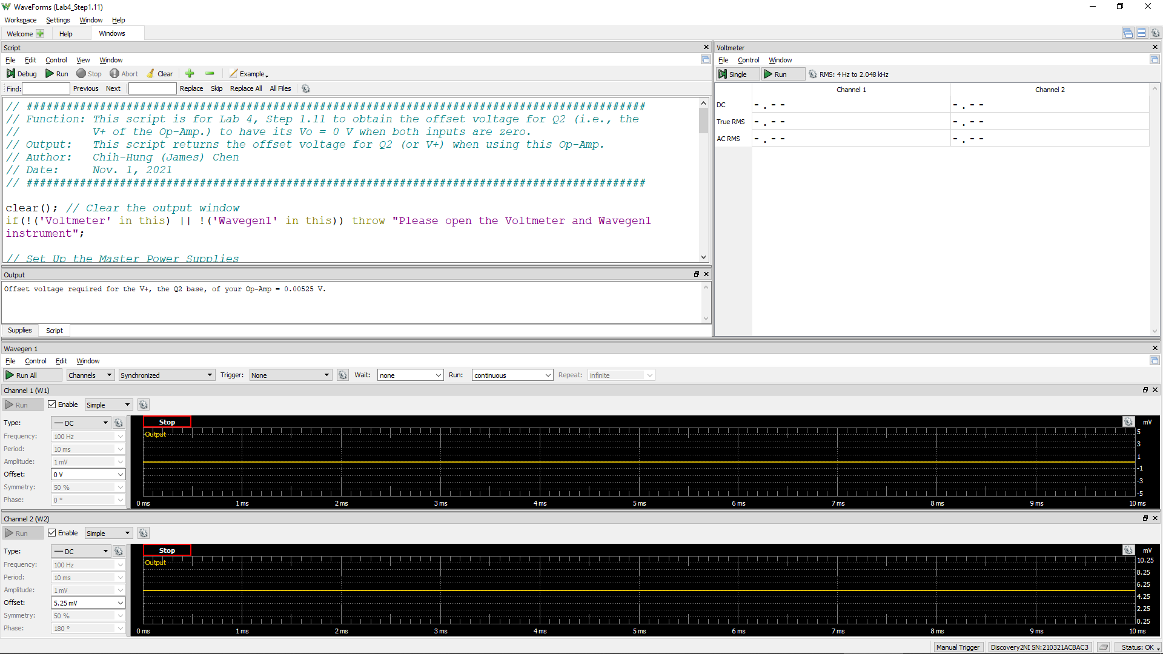
Offset Voltage for Q2
Volt
-1.42E-01

Step 1.13
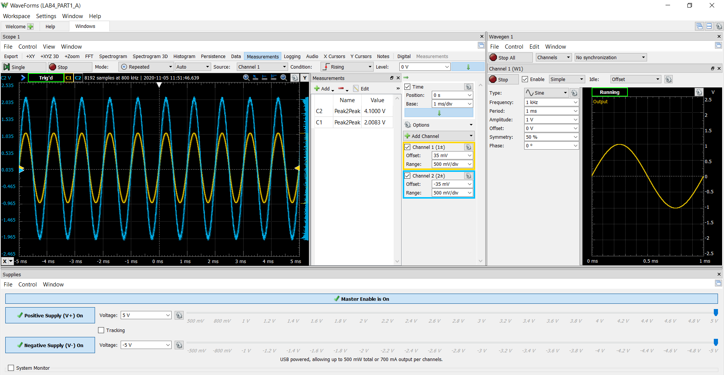
Time (s) | Channel 1 (V) | Channel 2 (V)
-0.00258048 | 0.17590038805 | 0.77469504564 | 2.0894098801
-0.00257985 | 0.1742832385 | 0.77139068824 | -1.8951286905
-0.00257922 | 0.17054627835 | 0.76469839203 | 0.097140594807
-0.00257859 | 0.16664414009 | 0.75790698522 | 3.9845385705
-0.00257796 | 0.16285166394 | 0.75016919926 | 1.9922692853
-0.00257733 | 0.15905563548 | 0.74200625931
-0.0025767 | 0.15543113297 | 0.73384673497
-0.00257607 | 0.15158635875 | 0.72643931084
-0.00257544 | 0.14766163199 | 0.71938792466
-0.00257481 | 0.14378189523 | 0.71215710139
-0.00257418 | 0.14023543862 | 0.70466628288
-0.00257355 | 0.13642624812 | 0.69720305459
-0.00257292 | 0.13243571417 | 0.6896258302
-0.00257229 | 0.12882625366 | 0.68164746563
-0.00257166 | 0.12478121481 | 0.67400295756
-0.00257103 | 0.12118890681 | 0.66663544935
-0.0025704 | 0.11756957172 | 0.6596768365
-0.00256977 | 0.11374049136 | 0.6528958811
-0.00256914 | 0.10981640581 | 0.64517275407
-0.00256851 | 0.10583454212 | 0.6367217727
-0.00256788 | 0.10194854142 | 0.62871401263
-0.00256725 | 0.098245455591 | 0.62096161336
-0.00256662 | 0.094458064205 | 0.61375355233
-0.00256599 | 0.090651531708 | 0.60643640989
-0.00256536 | 0.086722653455 | 0.59840328883
-0.00256473 | 0.08297645635 | 0.59076894369
-0.0025641 | 0.079051388046 | 0.58369232276
-0.00256347 | 0.075004821976 | 0.57648433059
-0.00256284 | 0.071102751313 | 0.56852316518
-0.00256221 | 0.067526544372 | 0.56023001303
-0.00256158 | 0.063561792137 | 0.5518691772
-0.00256095 | 0.059659145641 | 0.54424210576
-0.00256032 | 0.0559058789 | 0.53730425476
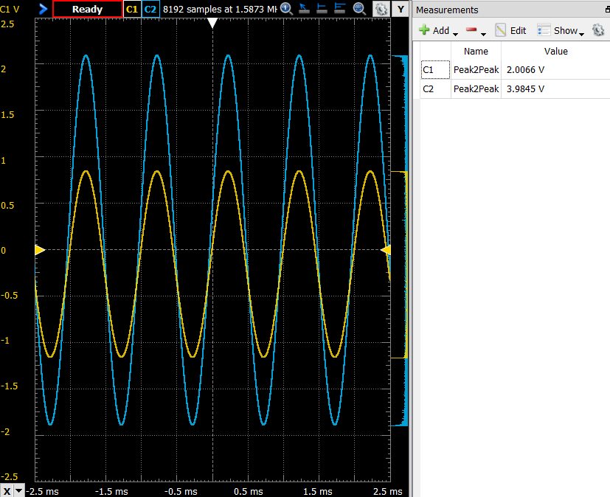
-0.00255969 | 0.051719018956 | 0.53009060557
-0.00255906 | 0.047949238288 | 0.52210655466
-0.00255843 | 0.04406460902 | 0.51392686712
-0.0025578 | 0.040120642184 | 0.50627592741
-0.00255717 | 0.036448582207 | 0.498975151
-0.00255654 | 0.032332222219 | 0.49140963043
-0.00255591 | 0.028368879711 | 0.48350438154
-0.00255528 | 0.024651444377 | 0.47514316626
-0.00255465 | 0.020601789186 | 0.46737134612
-0.00255402 | 0.016570276037 | 0.46040170829
-0.00255339 | 0.012792529777 | 0.45288782347
-0.00255276 | 0.0088147401744 | 0.44494956809
-0.00255213 | 0.0049915857998 | 0.4364632922
-0.0025515 | 0.0011972650722 | 0.42825941489
-0.00255087 | -0.0028108523566 | 0.42094005499
-0.00255024 | -0.0065608234731 | 0.41370248963
-0.00254961 | -0.010526964561 | 0.40630738596
-0.00254898 | -0.014724708099 | 0.39808162872
-0.00254835 | -0.018580908434 | 0.3894685269
-0.00254772 | -0.022592022791 | 0.38134095006
-0.00254709 | -0.026449211412 | 0.37369854426
-0.00254646 | -0.030281025943 | 0.3665270891
-0.00254583 | -0.034206068815 | 0.35968690416
-0.0025452 | -0.03825227219 | 0.35228783356
-0.00254457 | -0.042116994183 | 0.34380240145
-0.00254394 | -0.046053833605 | 0.33486943256
-0.00254331 | -0.050082445337 | 0.32655531326
-0.00254268 | -0.05401544675 | 0.31883065171
-0.00254205 | -0.057981829727 | 0.31220167948
-0.00254142 | -0.061963065755 | 0.30527509674
-0.00254079 | -0.06578098373 | 0.29691007408
-0.00254016 | -0.06969538766 | 0.28816627221
-0.00253953 | -0.073810773874 | 0.27976420939
-0.0025389 | -0.077676190432 | 0.27248141328
-0.00253827 | -0.081626540356 | 0.26546010428
-0.00253764 | -0.085856234446 | 0.25763255578
-0.00253701 | -0.0897728784 | 0.248961576
-0.00253638 | -0.093442570359 | 0.24067875709
-0.00253575 | -0.097455707317 | 0.23324989539
-0.00253512 | -0.10149933811 | 0.22572200315
-0.00253449 | -0.10536865086 | 0.21802071665
-0.00253386 | -0.10947011827 | 0.20995631842
-0.00253323 | -0.11354054476 | 0.20187313154
-0.0025326 | -0.11748131977 | 0.19411055262
-0.00253197 | -0.12154759076 | 0.18609457872
-0.00253134 | -0.1254015237 | 0.17828362237
-0.00253071 | -0.12940174341 | 0.17036944398
-0.00253008 | -0.13342061962 | 0.16267562743
-0.00252945 | -0.1371705776 | 0.15465257181
-0.00252882 | -0.14127482921 | 0.14668135385
-0.00252819 | -0.1450784625 | 0.13857652366
-0.00252756 | -0.14904627359 | 0.13086556335
-0.00252693 | -0.15323065397 | 0.12371819709
-0.0025263 | -0.15725548505 | 0.11641079747
-0.00252567 | -0.16129803744 | 0.10792763127
-0.00252504 | -0.16513525354 | 0.09866436559
-0.00252441 | -0.16919834183 | 0.089922845933
-0.00252378 | -0.17304342553 | 0.082568899255
-0.00252315 | -0.17688549571 | 0.07627031607
-0.00252252 | -0.18084783888 | 0.069111545661
-0.00252189 | -0.18479933521 | 0.061256678986
-0.00252126 | -0.18891482274 | 0.052436949142
-0.00252063 | -0.19295320248 | 0.043524416495
-0.00252 | -0.19694026719 | 0.035516977775
-0.00251937 | -0.20093726121 | 0.028156451957
-0.00251874 | -0.20473686312 | 0.020567629452
-0.00251811 | -0.20887182778 | 0.012629113639
-0.00251748 | -0.21289134465 | 0.0047757501641
-0.00251685 | -0.21667229033 | -0.0030996387552
-0.00251622 | -0.22061666796 | -0.01076897081
-0.00251559 | -0.22454239517 | -0.018623545317
-0.00251496 | -0.22844230971 | -0.026882549509
-0.00251433 | -0.2324586841 | -0.034602319034
-0.0025137 | -0.23666383164 | -0.042572834206
-0.00251307 | -0.24050307615 | -0.050766892758
-0.00251244 | -0.24451417862 | -0.058687312785
-0.00251181 | -0.24858863718 | -0.066483914268
-0.00251118 | -0.25258155904 | -0.074032229719
-0.00251055 | -0.25650375814 | -0.081801782669
-0.00250992 | -0.26042431488 | -0.089617327392
-0.00250929 | -0.26452715234 | -0.09774306069
-0.00250866 | -0.26837042104 | -0.1058272438
-0.00250803 | -0.27244642935 | -0.11326586575
-0.0025074 | -0.2762832677 | -0.12074141591
-0.00250677 | -0.28030938646 | -0.12874992766
-0.00250614 | -0.28415850969 | -0.13702403257
-0.00250551 | -0.28803142299 | -0.14515505689
-0.00250488 | -0.2918843635 | -0.15283809756
-0.00250425 | -0.29588889352 | -0.16018196051
-0.00250362 | -0.29995803399 | -0.16778582607
-0.00250299 | -0.30380728978 | -0.17607892934
-0.00250236 | -0.30786144189 | -0.18417599557
-0.00250173 | -0.31166102762 | -0.19227603022
-0.0025011 | -0.31557288454 | -0.19990240907
-0.00250047 | -0.31969075889 | -0.20717426096
-0.00249984 | -0.32362011995 | -0.21504460893
-0.00249921 | -0.32743126076 | -0.22293894959
-0.00249858 | -0.33152531464 | -0.23097187258
-0.00249795 | -0.33537585008 | -0.23881177626
-0.00249732 | -0.33929709724 | -0.24705013564
-0.00249669 | -0.34313486527 | -0.25514530477
-0.00249606 | -0.34687771671 | -0.2623340373
-0.00249543 | -0.35075916065 | -0.26898490447
-0.0024948 | -0.35465892965 | -0.27647733103
-0.00249417 | -0.35860749982 | -0.28477128558
-0.00249354 | -0.36262103956 | -0.2931505846
-0.00249291 | -0.36656889071 | -0.30069558873
-0.00249228 | -0.37055823345 | -0.30786812882
-0.00249165 | -0.37428307071 | -0.31559591395
-0.00249102 | -0.37832356801 | -0.32364691826
-0.00249039 | -0.38207459265 | -0.33174104313
-0.00248976 | -0.38577556644 | -0.33924757616
-0.00248913 | -0.38972045384 | -0.3465019166
-0.0024885 | -0.39356622091 | -0.35379550999
-0.00248787 | -0.39738735945 | -0.36198094437
-0.00248724 | -0.40125470821 | -0.37056971728
-0.00248661 | -0.40511914464 | -0.37807852105
-0.00248598 | -0.40895453718 | -0.38531229589
-0.00248535 | -0.41277529521 | -0.39252830947
-0.00248472 | -0.41669672979 | -0.39997337042
-0.00248409 | -0.42045933412 | -0.40775804719
-0.00248346 | -0.42447045138 | -0.41549303561
-0.00248283 | -0.42840313433 | -0.42330618278
-0.0024822 | -0.43215321879 | -0.43146711397
-0.00248157 | -0.4358780823 | -0.43927602486
-0.00248094 | -0.43973722428 | -0.44656661524
-0.00248031 | -0.44353302826 | -0.45365089188
-0.00247968 | -0.44741521487 | -0.46046036628
-0.00247905 | -0.4511201085 | -0.46832932796
-0.00247842 | -0.45486101696 | -0.47658877649
-0.00247779 | -0.45861403587 | -0.48444139481
-0.00247716 | -0.46238279563 | -0.49161789091
-0.00247653 | -0.46618763754 | -0.498355628
-0.0024759 | -0.46986911181 | -0.50513333442
-0.00247527 | -0.47367232325 | -0.51302326779
-0.00247464 | -0.47747178279 | -0.52127381897
-0.00247401 | -0.48120763329 | -0.5293603424
-0.00247338 | -0.48498187314 | -0.53703089285
-0.00247275 | -0.48892935081 | -0.54440048831
-0.00247212 | -0.49287914577 | -0.55165500657
-0.00247149 | -0.49636457104 | -0.55864329264
-0.00247086 | -0.50009133552 | -0.56565687523
-0.00247023 | -0.50406486762 | -0.57363024647
-0.0024696 | -0.50788071876 | -0.58202344808
-0.00246897 | -0.51138902667 | -0.58955824819
-0.00246834 | -0.51512038855 | -0.59634473634
-0.00246771 | -0.51878190054 | -0.60338896245
-0.00246708 | -0.52243569186 | -0.61072598045
-0.00246645 | -0.52629164865 | -0.61838394945
-0.00246582 | -0.52999306503 | -0.62591982613
-0.00246519 | -0.5335495799 | -0.63270795195
-0.00246456 | -0.53733926895 | -0.63918453817
-0.00246393 | -0.54110597653 | -0.64654292955
-0.0024633 | -0.54483330966 | -0.65500412712
-0.00246267 | -0.54840512294 | -0.66307284579
-0.00246204 | -0.55202286101 | -0.67019826638
-0.00246141 | -0.55561390262 | -0.67662373062
-0.00246078 | -0.55922229011 | -0.68287065425
-0.00246015 | -0.56290504985 | -0.69041717646
-0.00245952 | -0.56658482012 | -0.69833841234
-0.00245889 | -0.57018411123 | -0.70606958941
-0.00245826 | -0.57395319941 | -0.71343068128
-0.00245763 | -0.57763842198 | -0.72028219074
-0.002457 | -0.58106606468 | -0.72720591713
-0.00245637 | -0.58467459828 | -0.7346061989
-0.00245574 | -0.58840901334 | -0.74199198979
-0.00245511 | -0.59203064927 | -0.74880718638
-0.00245448 | -0.5956397446 | -0.75581287664
-0.00245385 | -0.59922521821 | -0.76273900796
-0.00245322 | -0.60253958265 | -0.76993073103
-0.00245259 | -0.60608718926 | -0.77704985813
-0.00245196 | -0.60978312805 | -0.78407960653
-0.00245133 | -0.61325909838 | -0.79139638185
-0.0024507 | -0.61696459424 | -0.79908063382
-0.00245007 | -0.6204685964 | -0.80653657013
-0.00244944 | -0.62391760889 | -0.81328313414
-0.00244881 | -0.62724292631 | -0.8190865847
-0.00244818 | -0.63078730448 | -0.8244252792
-0.00244755 | -0.63416649569 | -0.83158548523
-0.00244692 | -0.63770196738 | -0.84007881506
-0.00244629 | -0.64140191073 | -0.84814206077
-0.00244566 | -0.64496677712 | -0.85516647607
-0.00244503 | -0.64843672498 | -0.86145208787
-0.0024444 | -0.65189779306 | -0.86755634847
-0.00244377 | -0.65532237856 | -0.87424062483
-0.00244314 | -0.65884389952 | -0.88136568552
-0.00244251 | -0.66239181105 | -0.88863131718
-0.00244188 | -0.66580787475 | -0.89584269746
-0.00244125 | -0.66920383422 | -0.90303573542
-0.00244062 | -0.67265775705 | -0.90948295207
-0.00243999 | -0.67610891752 | -0.91601829926
-0.00243936 | -0.67935139563 | -0.9226753895
-0.00243873 | -0.68285031371 | -0.92927047022
-0.0024381 | -0.68609214315 | -0.93621618394
-0.00243747 | -0.68951084275 | -0.94318701212
-0.00243684 | -0.69300299168 | -0.95026013455
-0.00243621 | -0.69620620813 | -0.95685666988
-0.00243558 | -0.69968603652 | -0.96327447543
-0.00243495 | -0.7030697744 | -0.96991655719
-0.00243432 | -0.70635517029 | -0.97630988591
-0.00243369 | -0.70962630872 | -0.98234382143
-0.00243306 | -0.71294946103 | -0.98892176972
-0.00243243 | -0.71618538742 | -0.99614131141
-0.0024318 | -0.71962359152 | -1.0037203966
-0.00243117 | -0.72296769067 | -1.0104246435
-0.00243054 | -0.72607114227 | -1.0154177206
-0.00242991 | -0.7291407928 | -1.020609474
-0.00242928 | -0.73244667303 | -1.0275457423
-0.00242865 | -0.73580311609 | -1.0350963516
-0.00242802 | -0.73922184831 | -1.0421116257
-0.00242739 | -0.74228946809 | -1.048651238
-0.00242676 | -0.7456333711 | -1.0545958318
-0.00242613 | -0.74893007976 | -1.0611205627
-0.0024255 | -0.75191279768 | -1.0682109656
-0.00242487 | -0.75523297449 | -1.0743424822
-0.00242424 | -0.75852179869 | -1.0798784259
-0.00242361 | -0.76154381048 | -1.0859103987
-0.00242298 | -0.76471955989 | -1.0924092909
-0.00242235 | -0.76778999276 | -1.0994293645
-0.00242172 | -0.77095887502 | -1.1056372315
-0.00242109 | -0.77416535392 | -1.1115272452
-0.00242046 | -0.77739327699 | -1.1177334288
-0.00241983 | -0.78040431341 | -1.1243993405
-0.0024192 | -0.78334780934 | -1.1306105724
-0.00241857 | -0.78650833415 | -1.1363277471
-0.00241794 | -0.78976104194 | -1.1416143698
-0.00241731 | -0.79279451301 | -1.1474451609
-0.00241668 | -0.79598068504 | -1.1539801513
-0.00241605 | -0.79908488746 | -1.1610830742
-0.00241542 | -0.80187797541 | -1.1680312089
-0.00241479 | -0.80506709903 | -1.1734837719
-0.00241416 | -0.80800012962 | -1.1790228935
-0.00241353 | -0.81114850957 | -1.1850906485
-0.0024129 | -0.81416299282 | -1.1914190386
-0.00241227 | -0.81706752441 | -1.1975425663
-0.00241164 | -0.82009581645 | -1.2029101593
-0.00241101 | -0.82313288296 | -1.208651788
-0.00241038 | -0.82605894993 | -1.2151583688
-0.00240975 | -0.82884202784 | -1.221550075
-0.00240912 | -0.83208303486 | -1.2275383481
-0.00240849 | -0.83499124232 | -1.2330659567
-0.00240786 | -0.83810650484 | -1.2382075437
-0.00240723 | -0.84106294968 | -1.2439513478
-0.0024066 | -0.84389897654 | -1.250367702
-0.00240597 | -0.84697266232 | -1.2568093158
-0.00240534 | -0.84980116369 | -1.2627951206
-0.00240471 | -0.8526761965 | -1.2684404503
-0.00240408 | -0.85553414896 | -1.2739585863
-0.00240345 | -0.85823247941 | -1.2793392103
-0.00240282 | -0.86107038098 | -1.2841639613
-0.00240219 | -0.86391324526 | -1.289498636
-0.00240156 | -0.86678325634 | -1.295818358
-0.00240093 | -0.86949544865 | -1.3024163599
-0.0024003 | -0.87231957502 | -1.3082164729
-0.00239967 | -0.87515434171 | -1.3129827495
-0.00239904 | -0.8779776552 | -1.3171588687
-0.00239841 | -0.88074965407 | -1.3226160173
-0.00239778 | -0.88350695746 | -1.3291296149
-0.00239715 | -0.88613186 | -1.3355570804
-0.00239652 | -0.88887622679 | -1.3412671068
-0.00239589 | -0.89156077776 | -1.3462683416
-0.00239526 | -0.89431080363 | -1.3508847625
-0.00239463 | -0.8969946834 | -1.355971173
-0.002394 | -0.89945873045 | -1.361308125
-0.00239337 | -0.90229277742 | -1.3666522624
-0.00239274 | -0.90492614813 | -1.3723789371
-0.00239211 | -0.90752025759 | -1.377950337
-0.00239148 | -0.91010373737 | -1.3833156489
-0.00239085 | -0.91282839841 | -1.3883234416
-0.00239022 | -0.9155420639 | -1.3932658491
-0.00238959 | -0.91804547697 | -1.3986186375
-0.00238896 | -0.92061544818 | -1.40445113
-0.00238833 | -0.92328922393 | -1.4095962179
-0.0023877 | -0.9258459955 | -1.4139079725
-0.00238707 | -0.92851265599 | -1.4178562474
-0.00238644 | -0.93121369463 | -1.4233373028
-0.00238581 | -0.93398990015 | -1.4300730527
-0.00238518 | -0.93638124205 | -1.4362700015
-0.00238455 | -0.9386211158 | -1.4408955466
-0.00238392 | -0.94099906718 | -1.4440541129
-0.00238329 | -0.94345737554 | -1.4480714618
-0.00238266 | -0.94609574352 | -1.4536696818
-0.00238203 | -0.94862110236 | -1.4599131791
-0.0023814 | -0.95090063102 | -1.4652342316
-0.00238077 | -0.95336250315 | -1.4690276858
-0.00238014 | -0.95593970102 | -1.4730865386
-0.00237951 | -0.95818295278 | -1.4781531286
-0.00237888 | -0.96057401257 | -1.4832029489
-0.00237825 | -0.96306138997 | -1.4881259554
-0.00237762 | -0.96557994 | -1.4932549386
-0.00237699 | -0.96806313272 | -1.4982825204
-0.00237636 | -0.9702678283 | -1.5032029385
-0.00237573 | -0.97253118748 | -1.5075258153
-0.0023751 | -0.97489761558 | -1.5118485399
-0.00237447 | -0.97719815479 | -1.5164911576
-0.00237384 | -0.97949210525 | -1.5215842117
-0.00237321 | -0.98165628439 | -1.5265998531
-0.00237258 | -0.98407098843 | -1.5304322622
-0.00237195 | -0.98641341995 | -1.5340430651
-0.00237132 | -0.98877882783 | -1.5384724974
-0.00237069 | -0.99101911735 | -1.5440501251
-0.00237006 | -0.9931521656 | -1.549590351
-0.00236943 | -0.99526351369 | -1.5539651871
-0.0023688 | -0.99743471243 | -1.5570983351
-0.00236817 | -0.99963557277 | -1.5603104794
-0.00236754 | -1.0019871511 | -1.5648215816
-0.00236691 | -1.0040057899 | -1.5701509182
-0.00236628 | -1.006042723 | -1.5751646465
-0.00236565 | -1.0081262345 | -1.5793265344
-0.00236502 | -1.0103086143 | -1.5830749855
-0.00236439 | -1.012439971 | -1.5871899956
-0.00236376 | -1.0144828985 | -1.5915741613
-0.00236313 | -1.016801259 | -1.5958215288
-0.0023625 | -1.0190065247 | -1.5998979277
-0.00236187 | -1.0208638842 | -1.6037811123
-0.00236124 | -1.0229177153 | -1.6079281943
-0.00236061 | -1.0247741648 | -1.6122213736
-0.00235998 | -1.0268950511 | -1.6161176826
-0.00235935 | -1.0289031099 | -1.6200591362
-0.00235872 | -1.0309971354 | -1.6239381074
-0.00235809 | -1.0329440489 | -1.6284527398
-0.00235746 | -1.0348438732 | -1.6321365565
-0.00235683 | -1.0368300342 | -1.6348459828
-0.0023562 | -1.0388550324 | -1.6384357763
-0.00235557 | -1.0406965259 | -1.6430752982
-0.00235494 | -1.0425158629 | -1.6477616196
-0.00235431 | -1.0445135017 | -1.6517797859
-0.00235368 | -1.0462401977 | -1.6548304389
-0.00235305 | -1.0478746804 | -1.6574222617
-0.00235242 | -1.0497347296 | -1.6606973858
-0.00235179 | -1.0515847572 | -1.6650424287
-0.00235116 | -1.0535818895 | -1.6697153849
-0.00235053 | -1.0554649532 | -1.6739812861
-0.0023499 | -1.0572223981 | -1.677234134
-0.00234927 | -1.058924682 | -1.6805526633
-0.00234864 | -1.060748316 | -1.6839562128
-0.00234801 | -1.0624421804 | -1.6873350188
-0.00234738 | -1.064202786 | -1.690506351
-0.00234675 | -1.0658479792 | -1.6939131266
-0.00234612 | -1.0674252682 | -1.697561716
-0.00234549 | -1.0690977531 | -1.7010227869
-0.00234486 | -1.0707037938 | -1.7041075405
-0.00234423 | -1.0723772331 | -1.70689667
-0.0023436 | -1.0741262252 | -1.7101509318
-0.00234297 | -1.075853254 | -1.7142179567
-0.00234234 | -1.077605573 | -1.7180283526
-0.00234171 | -1.0790971525 | -1.7211519482
-0.00234108 | -1.0805507362 | -1.7234118488
-0.00234045 | -1.0821090444 | -1.7259014315
-0.00233982 | -1.0837647036 | -1.7294753749
-0.00233919 | -1.0853568986 | -1.7334372363
-0.00233856 | -1.0868708282 | -1.7366786991
-0.00233793 | -1.0884044162 | -1.7388593949
-0.0023373 | -1.0899348297 | -1.7413680256
-0.00233667 | -1.0912561455 | -1.7448930798
-0.00233604 | -1.0928003657 | -1.7483343996
-0.00233541 | -1.0943797764 | -1.7516258654
-0.00233478 | -1.0958173946 | -1.7544994367
-0.00233415 | -1.0973393623 | -1.757130036
-0.00233352 | -1.0989425547 | -1.760120278
-0.00233289 | -1.1004005465 | -1.7634130999
-0.00233226 | -1.1017819966 | -1.7665303254
-0.00233163 | -1.1031593951 | -1.7690721642
-0.002331 | -1.1043713345 | -1.7711578626
-0.00233037 | -1.1056881225 | -1.7734480811
-0.00232974 | -1.1069212957 | -1.7761807177
-0.00232911 | -1.1082196096 | -1.779047544
-0.00232848 | -1.1095829504 | -1.7819146985
-0.00232785 | -1.1109762014 | -1.7848166491
-0.00232722 | -1.1122437055 | -1.7876497284
-0.00232659 | -1.113358279 | -1.7896162873
-0.00232596 | -1.1142759172 | -1.7908694084
-0.00232533 | -1.1155671406 | -1.7924167805
-0.0023247 | -1.1168428861 | -1.7958066397
-0.00232407 | -1.1181888476 | -1.8000591447
-0.00232344 | -1.1194695749 | -1.8034289147
-0.00232281 | -1.1204703117 | -1.8050025119
-0.00232218 | -1.1216779701 | -1.8057820167
-0.00232155 | -1.1226901233 | -1.8072427355
-0.00232092 | -1.1238212156 | -1.8095480425
-0.00232029 | -1.1248289575 | -1.8124118413
-0.00231966 | -1.1260292057 | -1.8150385182
-0.00231903 | -1.1272800972 | -1.8176926553
-0.0023184 | -1.1283494608 | -1.8199576017
-0.00231777 | -1.1294131867 | -1.8214523893
-0.00231714 | -1.1302405252 | -1.8232219772
-0.00231651 | -1.1313123424 | -1.8252391194
-0.00231588 | -1.1321833708 | -1.8276401723
-0.00231525 | -1.1331773443 | -1.8298700086
-0.00231462 | -1.1343495734 | -1.8317453242
-0.00231399 | -1.1353010913 | -1.8336466993
-0.00231336 | -1.1362891219 | -1.835347692
-0.00231273 | -1.1372520759 | -1.8376986126
-0.0023121 | -1.1381286871 | -1.8401949105
-0.00231147 | -1.1390317171 | -1.8418123455
-0.00231084 | -1.1398751395 | -1.8427211418
-0.00231021 | -1.140769583 | -1.8441772068
-0.00230958 | -1.1418150811 | -1.8462959167
-0.00230895 | -1.1426129133 | -1.8487585635
-0.00230832 | -1.1432886525 | -1.8505226603
-0.00230769 | -1.1439719715 | -1.851263751
-0.00230706 | -1.1446949525 | -1.8517237995
-0.00230643 | -1.1455715018 | -1.8531060629
-0.0023058 | -1.1462797585 | -1.8557213492
-0.00230517 | -1.1471652439 | -1.8582047067
-0.00230454 | -1.147822545 | -1.859886204
-0.00230391 | -1.1485515331 | -1.8603476522
-0.00230328 | -1.1492783044 | -1.8610078733
-0.00230265 | -1.1500709069 | -1.8623044944
-0.00230202 | -1.1508663844 | -1.8642927593
-0.00230139 | -1.1514211115 | -1.8663972245
-0.00230076 | -1.151875996 | -1.8678428269
-0.00230013 | -1.1523654447 | -1.8685941876
-0.0022995 | -1.1530499743 | -1.8693141132
-0.00229887 | -1.1536948812 | -1.870369197
-0.00229824 | -1.1543165756 | -1.8717642245
-0.00229761 | -1.1546516359 | -1.8732373933
-0.00229698 | -1.1551895828 | -1.8745037363
-0.00229635 | -1.1556649861 | -1.8756400639
-0.00229572 | -1.1561300214 | -1.8760018713
-0.00229509 | -1.1566304198 | -1.876172734
-0.00229446 | -1.1571073131 | -1.8768870859
-0.00229383 | -1.1576550166 | -1.8785483042
-0.0022932 | -1.1582715316 | -1.8807120026
-0.00229257 | -1.1588545094 | -1.8822341923
-0.00229194 | -1.1593613531 | -1.8824906897
-0.00229131 | -1.1596645789 | -1.8824056696
-0.00229068 | -1.1598957095 | -1.8829001326
-0.00229005 | -1.1601832671 | -1.883811307
-0.00228942 | -1.1604892081 | -1.8849905785
-0.00228879 | -1.1609818123 | -1.886336605
-0.00228816 | -1.1612398536 | -1.8874003363
-0.00228753 | -1.1616504248 | -1.8877200933
-0.0022869 | -1.161736771 | -1.8882202412
-0.00228627 | -1.1620136887 | -1.8881634378
-0.00228564 | -1.162387 | -1.8883003629
-0.00228501 | -1.1626884005 | -1.8886840159
-0.00228438 | -1.1628531334 | -1.8893492924
-0.00228375 | -1.1631112048 | -1.8903799297
-0.00228312 | -1.1632464882 | -1.8911172019
-0.00228249 | -1.1634982455 | -1.8912670827
-0.00228186 | -1.163721557 | -1.8914096716
-0.00228123 | -1.1636965632 | -1.8917000692
-0.0022806 | -1.1637204577 | -1.8918808139
-0.00227997 | -1.1640006179 | -1.8914305886
-0.00227934 | -1.1641223494 | -1.8917174934
-0.00227871 | -1.1640695769 | -1.8928465734
-0.00227808 | -1.1640833479 | -1.8938310119
-0.00227745 | -1.1642130023 | -1.8943193162
-0.00227682 | -1.1641807066 | -1.8936606244
-0.00227619 | -1.1641834225 | -1.8922137194
-0.00227556 | -1.1642631521 | -1.8919825441
-0.00227493 | -1.1642391304 | -1.8930419882
-0.0022743 | -1.1642229529 | -1.8942278453
-0.00227367 | -1.164317633 | -1.8941465678
-0.00227304 | -1.164189973 | -1.8931869378
-0.00227241 | -1.1641307864 | -1.8921173888
-0.00227178 | -1.1640162352 | -1.891884908
-0.00227115 | -1.1639311129 | -1.8924100027
-0.00227052 | -1.1636217138 | -1.8928006327
-0.00226989 | -1.1635291044 | -1.8921720893
-0.00226926 | -1.1636388089 | -1.8916761828
-0.00226863 | -1.1634260364 | -1.8916017815
-0.002268 | -1.1632102135 | -1.8911254652
-0.00226737 | -1.1629673072 | -1.8904732067
-0.00226674 | -1.162622917 | -1.8899123827
-0.00226611 | -1.1624024492 | -1.8897147386
-0.00226548 | -1.1622300646 | -1.889639047
-0.00226485 | -1.1620328505 | -1.8892243205
-0.00226422 | -1.1617008553 | -1.8885027558
-0.00226359 | -1.1614081012 | -1.8879903805
-0.00226296 | -1.161232689 | -1.8879207877
-0.00226233 | -1.1608246884 | -1.8876810896
-0.0022617 | -1.160571448 | -1.8867107247
-0.00226107 | -1.1601615363 | -1.8851457724
-0.00226044 | -1.1597336693 | -1.8841579534
-0.00225981 | -1.1594460828 | -1.883927105
-0.00225918 | -1.1590037367 | -1.8841100439
-0.00225855 | -1.1584254266 | -1.8830261891
-0.00225792 | -1.1581652571 | -1.8814111929
-0.00225729 | -1.157620367 | -1.8803466853
-0.00225666 | -1.1570799764 | -1.8793966297
-0.00225603 | -1.1565963214 | -1.8788024154
-0.0022554 | -1.1562186727 | -1.8779262494
-0.00225477 | -1.155737179 | -1.8767138652
-0.00225414 | -1.1551233295 | -1.8756665102
-0.00225351 | -1.1543515279 | -1.8742110746
-0.00225288 | -1.1538672207 | -1.8733059535
-0.00225225 | -1.1533918341 | -1.8726118361
-0.00225162 | -1.1527696932 | -1.8716884654
-0.00225099 | -1.1522444557 | -1.8709111696
-0.00225036 | -1.1517768912 | -1.8695884222
-0.00224973 | -1.1510330442 | -1.8674868421
-0.0022491 | -1.150294551 | -1.8649649231
-0.00224847 | -1.1497996428 | -1.8641986071
-0.00224784 | -1.1491512002 | -1.8647939856
-0.00224721 | -1.148339602 | -1.8644830336
-0.00224658 | -1.147739188 | -1.8616428544
-0.00224595 | -1.1471453927 | -1.8585023247
-0.00224532 | -1.1463165611 | -1.8565945894
-0.00224469 | -1.1455808763 | -1.8560435604
-0.00224406 | -1.1446554824 | -1.8559657033
-0.00224343 | -1.1439311702 | -1.8549153718
-0.0022428 | -1.1429886939 | -1.8528141744
-0.00224217 | -1.1421363037 | -1.850384071
-0.00224154 | -1.1412763 | -1.848693739
-0.00224091 | -1.1405157966 | -1.8474325977
-0.00224028 | -1.1396922701 | -1.8460483306
-0.00223965 | -1.138907063 | -1.844231953
-0.00223902 | -1.1378267223 | -1.8425035632
-0.00223839 | -1.1369737138 | -1.8409897297
-0.00223776 | -1.135995715 | -1.8396869508
-0.00223713 | -1.1350782195 | -1.8372047681
-0.0022365 | -1.134022529 | -1.8343310706
-0.00223587 | -1.1329886316 | -1.8323385117
-0.00223524 | -1.1320429221 | -1.8312332738
-0.00223461 | -1.1310577542 | -1.8294694977
-0.00223398 | -1.1299167345 | -1.8264493609
-0.00223335 | -1.1289424834 | -1.8235621887
-0.00223272 | -1.1278086195 | -1.8223688012
-0.00223209 | -1.1267370632 | -1.8213826613
-0.00223146 | -1.1256571764 | -1.819317846
-0.00223083 | -1.124475955 | -1.8156605302
-0.0022302 | -1.123369354 | -1.8120382542
-0.00222957 | -1.1223822699 | -1.8106336541
-0.00222894 | -1.1215416327 | -1.8100221597
-0.00222831 | -1.1201199559 | -1.80907541
-0.00222768 | -1.1189991876 | -1.8066793437
-0.00222705 | -1.1179833104 | -1.803252069
-0.00222642 | -1.1167725367 | -1.8002316478
-0.00222579 | -1.1153894853 | -1.7978784329
-0.00222516 | -1.1139950286 | -1.7961943341
-0.00222453 | -1.1130135191 | -1.7941033029
-0.0022239 | -1.1118140806 | -1.791541231
-0.00222327 | -1.1105061605 | -1.7884748947
-0.00222264 | -1.1092152936 | -1.7852466474
-0.00222201 | -1.1078179925 | -1.7824468381
-0.00222138 | -1.1066079639 | -1.7802246715
-0.00222075 | -1.1055343104 | -1.7785030037
-0.00222012 | -1.1038131838 | -1.7764876511
-0.00221949 | -1.102348939 | -1.7728047158
-0.00221886 | -1.1010788562 | -1.7686793866
-0.00221823 | -1.0997496288 | -1.7657500886
-0.0022176 | -1.0982449332 | -1.7642051659
-0.00221697 | -1.0968227647 | -1.7629521067
-0.00221634 | -1.0951929444 | -1.7603867926
-0.00221571 | -1.0937195954 | -1.7557794461
-0.00221508 | -1.0923324357 | -1.7518422679
-0.00221445 | -1.0908713115 | -1.7490552704
-0.00221382 | -1.0893415462 | -1.7467358043
-0.00221319 | -1.0877813044 | -1.7441139165
-0.00221256 | -1.0862505992 | -1.7409943362
-0.00221193 | -1.08474254 | -1.7375108135
-0.0022113 | -1.0831937248 | -1.7344265727
-0.00221067 | -1.0816359711 | -1.7313028407
-0.00221004 | -1.0800874838 | -1.7282231238
-0.00220941 | -1.0784663603 | -1.7251003753
-0.00220878 | -1.0768890536 | -1.7223186338
-0.00220815 | -1.0753527144 | -1.7196419264
-0.00220752 | -1.0737005449 | -1.7162940643
-0.00220689 | -1.0719512469 | -1.7122956707
-0.00220626 | -1.0702176048 | -1.708299786
-0.00220563 | -1.0687407242 | -1.7054446065
-0.002205 | -1.0671238605 | -1.7034539705
-0.00220437 | -1.0652988366 | -1.7005622717
-0.00220374 | -1.0634907895 | -1.6962072892
-0.00220311 | -1.0619195875 | -1.6919470332
-0.00220248 | -1.0601828012 | -1.6886241562
-0.00220185 | -1.0584142294 | -1.6863903949
-0.00220122 | -1.0566203118 | -1.6833627557
-0.00220059 | -1.0547790094 | -1.6792118538
-0.00219996 | -1.0529739866 | -1.6750381616
-0.00219933 | -1.0510517476 | -1.6709926062
-0.0021987 | -1.0491832937 | -1.6676530728
-0.00219807 | -1.047331543 | -1.6642132024
-0.00219744 | -1.0455566914 | -1.6606298383
-0.00219681 | -1.0437214257 | -1.6566577008
-0.00219618 | -1.0417982124 | -1.6526216051
-0.00219555 | -1.0398824367 | -1.6487661667
-0.00219492 | -1.0381329806 | -1.6451156308
-0.00219429 | -1.0360657462 | -1.6419133961
-0.00219366 | -1.034097245 | -1.6382796197
-0.00219303 | -1.0321470149 | -1.6344838874
-0.0021924 | -1.0302488121 | -1.6306002156
-0.00219177 | -1.0283158651 | -1.6264210642
-0.00219114 | -1.0264211026 | -1.6222083213
-0.00219051 | -1.0243672728 | -1.6185090364
-0.00218988 | -1.0224634272 | -1.6148825727
-0.00218925 | -1.0203120976 | -1.6111964221
-0.00218862 | -1.0181462682 | -1.606578916
-0.00218799 | -1.0160605901 | -1.6017267931
-0.00218736 | -1.0140029356 | -1.5974235479
-0.00218673 | -1.0119069691 | -1.5935685539
-0.0021861 | -1.0097673339 | -1.5900826314
-0.00218547 | -1.0076023285 | -1.5858657632
-0.00218484 | -1.0056188134 | -1.5811961638
-0.00218421 | -1.0034013146 | -1.5763806094
-0.00218358 | -1.0011515538 | -1.5718792587
-0.00218295 | -0.99909751959 | -1.5679584517
-0.00218232 | -0.99674221353 | -1.5640626493
-0.00218169 | -0.99442883598 | -1.5601493866
-0.00218106 | -0.99227856777 | -1.5556327465
-0.00218043 | -0.98996294937 | -1.551308282
-0.0021798 | -0.98775289948 | -1.5468750835
-0.00217917 | -0.98566643755 | -1.5422852913
-0.00217854 | -0.98329857168 | -1.5378693187
-0.00217791 | -0.98102526508 | -1.5331635946
-0.00217728 | -0.97873297273 | -1.5283037713
-0.00217665 | -0.97639783325 | -1.5235137371
-0.00217602 | -0.97425582366 | -1.5191520645
-0.00217539 | -0.97194468351 | -1.515317286
-0.00217476 | -0.96949399989 | -1.5111663902
-0.00217413 | -0.96721141971 | -1.5061908431
-0.0021735 | -0.96482290762 | -1.5009493362
-0.00217287 | -0.96228256732 | -1.4955011328
-0.00217224 | -0.95982215896 | -1.4902928537
-0.00217161 | -0.95748887898 | -1.4860958502
-0.00217098 | -0.95508198641 | -1.4825422787
-0.00217035 | -0.95242828423 | -1.477823703
-0.00216972 | -0.950144108 | -1.4719155437
-0.00216909 | -0.94772457628 | -1.4664628991
-0.00216846 | -0.94525301701 | -1.4618483529
-0.00216783 | -0.94263659618 | -1.4576585969
-0.0021672 | -0.94029200549 | -1.4527398179
-0.00216657 | -0.93786409103 | -1.4474616671
-0.00216594 | -0.93544728879 | -1.4422946905
-0.00216531 | -0.93296170579 | -1.437701319
-0.00216468 | -0.93014376555 | -1.4334418044
-0.00216405 | -0.92751211156 | -1.4281300166
-0.00216342 | -0.92509375058 | -1.4223490463
-0.00216279 | -0.92243499569 | -1.4172954
-0.00216216 | -0.9199716298 | -1.4120900431
-0.00216153 | -0.91742246596 | -1.4072058931
-0.0021609 | -0.91482396118 | -1.4017287087
-0.00216027 | -0.91215205046 | -1.3962201249
-0.00215964 | -0.90924305224 | -1.3908231355
-0.00215901 | -0.90660827139 | -1.3858040745
-0.00215838 | -0.90384574293 | -1.381015563
-0.00215775 | -0.90129697648 | -1.3754416993
-0.00215712 | -0.89861207595 | -1.3696919109
-0.00215649 | -0.89607030961 | -1.36455946
-0.00215586 | -0.89342245407 | -1.3603050982
-0.00215523 | -0.89079364399 | -1.3552701274
-0.0021546 | -0.88798034082 | -1.3490569519
-0.00215397 | -0.8853359176 | -1.3426252693
-0.00215334 | -0.88268275075 | -1.3372078126
-0.00215271 | -0.87981141883 | -1.3331851749
-0.00215208 | -0.87709214927 | -1.3281505629
-0.00215145 | -0.87429623276 | -1.3222956693
-0.00215082 | -0.87148328384 | -1.3158578499
-0.00215019 | -0.86857985928 | -1.3101704032
-0.00214956 | -0.86566332202 | -1.3055273392
-0.00214893 | -0.86283302445 | -1.300577693
-0.0021483 | -0.85999017385 | -1.2944547446
-0.00214767 | -0.8571816027 | -1.2874468726
-0.00214704 | -0.85441314342 | -1.2809826436
-0.00214641 | -0.85179290213 | -1.2760773623
-0.00214578 | -0.84882014614 | -1.2716281425
-0.00214515 | -0.8460645368 | -1.2663189093
-0.00214452 | -0.84307403698 | -1.2609715799
-0.00214389 | -0.83994430041 | -1.2551674454
-0.00214326 | -0.83703296789 | -1.24897564
-0.00214263 | -0.83407005109 | -1.2417656928
-0.002142 | -0.83114444066 | -1.2346276083
-0.00214137 | -0.82815244597 | -1.2291843799
-0.00214074 | -0.82510453609 | -1.2252701362
-0.00214011 | -0.82197531122 | -1.2205555525
-0.00213948 | -0.81916836045 | -1.2141893987
-0.00213885 | -0.81616714567 | -1.2066646758
-0.00213822 | -0.81315945671 | -1.1995933515
-0.00213759 | -0.81039282085 | -1.1937343006
-0.00213696 | -0.80733434653 | -1.1891270849
-0.00213633 | -0.8042170057 | -1.1837661818
-0.0021357 | -0.80110650603 | -1.1771918316
-0.00213507 | -0.79829766452 | -1.1705625373
-0.00213444 | -0.79509217376 | -1.1645920526
-0.00213381 | -0.79180220729 | -1.1586144316
-0.00213318 | -0.78884012964 | -1.1526424044
-0.00213255 | -0.78574389986 | -1.1468563308
-0.00213192 | -0.78248540542 | -1.1406197154
-0.00213129 | -0.77925943252 | -1.1339718074
-0.00213066 | -0.77611601157 | -1.1278444394
-0.00213003 | -0.77298707544 | -1.1215732478
-0.0021294 | -0.76982555819 | -1.1152142654
-0.00212877 | -0.76669525933 | -1.1094567324
-0.00212814 | -0.7636272231 | -1.1035966877
-0.00212751 | -0.76059298503 | -1.0964729292
-0.00212688 | -0.75718371838 | -1.0889587443
-0.00212625 | -0.7539457047 | -1.0833369287
-0.00212562 | -0.75088745416 | -1.078718247
-0.00212499 | -0.74775552166 | -1.0730810451
-0.00212436 | -0.74445474278 | -1.0649479025
-0.00212373 | -0.74130248391 | -1.056240824
-0.0021231 | -0.73801243838 | -1.0499070654
-0.00212247 | -0.734571231 | -1.0450745406
-0.00212184 | -0.73128934153 | -1.0400301681
-0.00212121 | -0.72815417353 | -1.0337970576
-0.00212058 | -0.72488550789 | -1.0263851929
-0.00211995 | -0.72164280171 | -1.0188520672
-0.00211932 | -0.71844474895 | -1.0124652285
-0.00211869 | -0.71528383158 | -1.0069183393
-0.00211806 | -0.71186844364 | -1.0010843968
-0.00211743 | -0.70850509875 | -0.99407887174
-0.0021168 | -0.70516826095 | -0.98711049779
-0.00211617 | -0.70183571687 | -0.98038562696
-0.00211554 | -0.69869848079 | -0.97385569208
-0.00211491 | -0.6952661228 | -0.96753606707
-0.00211428 | -0.69180171003 | -0.96118522441
-0.00211365 | -0.68835154918 | -0.95463240233
-0.00211302 | -0.68485913859 | -0.9474611274
-0.00211239 | -0.68153714044 | -0.93973764061
-0.00211176 | -0.67832689084 | -0.93206586198
-0.00211113 | -0.67496688524 | -0.92565693153
-0.0021105 | -0.67160230851 | -0.9202024406
-0.00210987 | -0.6680530525 | -0.91491042351
-0.00210924 | -0.66435733224 | -0.90818551442
-0.00210861 | -0.66096388303 | -0.89983696646
-0.00210798 | -0.65741298673 | -0.8915983577
-0.00210735 | -0.65394763101 | -0.88451665573
-0.00210672 | -0.65070080444 | -0.87800956641
-0.00210609 | -0.64710687219 | -0.87210368585
-0.00210546 | -0.64370357204 | -0.86576378556
-0.00210483 | -0.64024493597 | -0.85927128064
-0.0021042 | -0.6367331551 | -0.85233314696
-0.00210357 | -0.63329935075 | -0.84538234724
-0.00210294 | -0.62964853728 | -0.83788690365
-0.00210231 | -0.62587071914 | -0.8302749678
-0.00210168 | -0.62256288404 | -0.82296668062
-0.00210105 | -0.61905474711 | -0.8162000543
-0.00210042 | -0.61569576007 | -0.80962022916
-0.00209979 | -0.6122115448 | -0.80279929932
-0.00209916 | -0.60866925932 | -0.79590272461
-0.00209853 | -0.6050127905 | -0.78869296896
-0.0020979 | -0.60153441137 | -0.78174799358
-0.00209727 | -0.59782853581 | -0.77451251024
-0.00209664 | -0.59430369366 | -0.76658576087
-0.00209601 | -0.59078099796 | -0.75935471727
-0.00209538 | -0.58712955115 | -0.7533293916
-0.00209475 | -0.58354298199 | -0.74734537879
-0.00209412 | -0.57980919514 | -0.73988323826
-0.00209349 | -0.57628254228 | -0.7309247572
-0.00209286 | -0.57256383005 | -0.72311955833
-0.00209223 | -0.5688612985 | -0.71661947874
-0.0020916 | -0.56527171057 | -0.71069722593
-0.00209097 | -0.56140345258 | -0.70398821769
-0.00209034 | -0.55776231907 | -0.69629496592
-0.00208971 | -0.55431458983 | -0.68818124051
-0.00208908 | -0.55043666225 | -0.68017523146
-0.00208845 | -0.54678860879 | -0.67253801665
-0.00208782 | -0.54352524631 | -0.66593682847
-0.00208719 | -0.53977345551 | -0.65959188965
-0.00208656 | -0.53599282594 | -0.65244406034
-0.00208593 | -0.53221519592 | -0.64458265179
-0.0020853 | -0.52865234177 | -0.63703110805
-0.00208467 | -0.52491659162 | -0.62969787674
-0.00208404 | -0.52129104816 | -0.62221643152
-0.00208341 | -0.51764326659 | -0.61547097638
-0.00208278 | -0.51386998655 | -0.60860486893
-0.00208215 | -0.51019522834 | -0.60117926215
-0.00208152 | -0.50659226192 | -0.59334057745
-0.00208089 | -0.50279704357 | -0.58568076249
-0.00208026 | -0.49885032847 | -0.57844474384
-0.00207963 | -0.49518937228 | -0.57122062737
-0.002079 | -0.49151361901 | -0.56443471689
-0.00207837 | -0.48761793918 | -0.55721710234
-0.00207774 | -0.48379574503 | -0.5487292167
-0.00207711 | -0.47998044415 | -0.54022860622
-0.00207648 | -0.4762720007 | -0.53276469951
-0.00207585 | -0.47254202049 | -0.52607191079
-0.00207522 | -0.46881011885 | -0.51960630704
-0.00207459 | -0.46495944296 | -0.51172110502
-0.00207396 | -0.46118364356 | -0.50293949899
...

Step 1.14
Frequency (Hz) | Channel 1 Magnitude (X) | Channel 2 Magnitude (X) | Channel 2 Phase (°)
100 | 1.0018766477 | 1.9866957504 | 0.0083731097448 | 5.9626272565
105.44119031 | 1.0018918357 | 1.9867369262 | 0.0081951894823 | 5.9628072762
111.17844614 | 1.0018680382 | 1.9867463959 | 0.0092241868028 | 5.9628486769
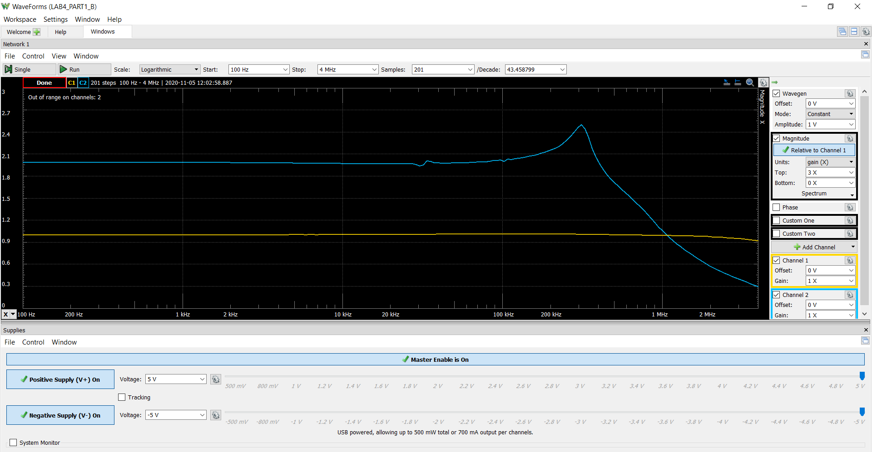
117.22787697 | 1.0019072551 | 1.9866751155 | 0.0092572957661 | 5.9625370395
123.60646885 | 1.0018844103 | 1.9867410607 | 0.0084265492896 | 5.9628253518
130.33213206 | 1.0019012756 | 1.9866862044 | 0.010131206976 | 5.9625855208
137.42375139 | 1.0018805448 | 1.986743448 | 0.011556764872 | 5.9628357891
144.90123924 | 1.0018972836 | 1.9867448534 | 0.011861766594 | 5.9628419331
152.78559142 | 1.0018822926 | 1.9866837801 | 0.011978207056 | 5.9625749214
161.09894622 | 1.0018999693 | 1.9867145664 | 0.012454585149 | 5.9627095198
169.86464646 | 1.0018774884 | 1.9867346285 | 0.01405906375 | 5.9627972308
179.10730514 | 1.0018861899 | 1.9866970279 | 0.011937697432 | 5.9626328417
188.85287447 | 1.0018657959 | 1.9868307708 | 0.012884381952 | 5.9632175493
199.12871878 | 1.0018777426 | 1.9866656592 | 0.014999884934 | 5.9624956955
209.96369132 | 1.0018947435 | 1.9866325731 | 0.017168805522 | 5.9623510387
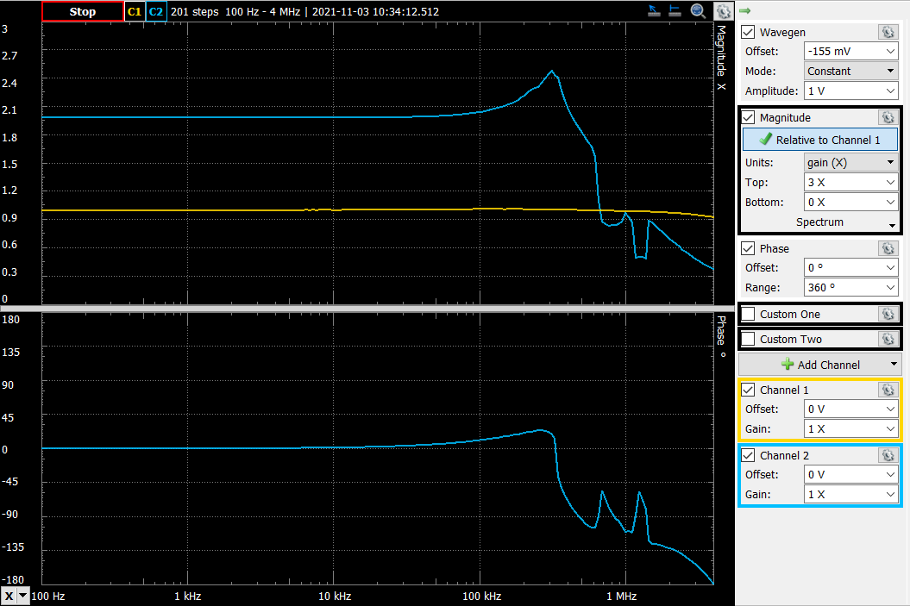
221.38821535 | 1.0019042535 | 1.9866711729 | 0.017375966527 | 5.9625198019
233.43436946 | 1.0019253207 | 1.9866602484 | 0.018345739336 | 5.9624720389
246.13597775 | 1.0018881773 | 1.9866496354 | 0.018828497628 | 5.962425638
259.52870472 | 1.0018961571 | 1.98667373 | 0.019785610827 | 5.9625309819
273.65015544 | 1.0018764443 | 1.9867151818 | 0.021092049964 | 5.9627122103
288.53998118 | 1.0018970774 | 1.9866999148 | 0.022266219777 | 5.9626454631
304.23999067 | 1.0018866398 | 1.9867168717 | 0.023991642172 | 5.9627195987
320.79426756 | 1.0018879699 | 1.9866918522 | 0.025083968886 | 5.9626102133
338.24929416 | 1.0018867057 | 1.9866369417 | 0.025455845532 | 5.9623701394
356.65408197 | 1.0018501921 | 1.9866755624 | 0.02666362049 | 5.9625389934
376.06030931 | 1.001888948 | 1.9866596305 | 0.0296068314 | 5.9624693374
396.52246641 | 1.0018824845 | 1.9866764333 | 0.030155895481 | 5.9625428011
418.09800842 | 1.0018862792 | 1.9866684782 | 0.032404343331 | 5.9625080206
440.84751674 | 1.0018333176 | 1.9866949735 | 0.034167238739 | 5.9626238595
464.83486909 | 1.0018071763 | 1.9867646987 | 0.035728856195 | 5.9629286948
490.12741894 | 1.0018403675 | 1.9867260685 | 0.037840280736 | 5.9627598068
516.79618456 | 1.0018036816 | 1.9867739568 | 0.03963677524 | 5.9629691701
544.91604846 | 1.0018452054 | 1.9867594632 | 0.041276677895 | 5.9629058058
574.56596768 | 1.0018632442 | 1.986677127 | 0.044025058861 | 5.9625458337
605.82919543 | 1.0018563854 | 1.9866988471 | 0.045184960893 | 5.962640795
638.7935149 | 1.0017737103 | 1.9867521446 | 0.047819175177 | 5.9628738097
673.55148572 | 1.0018079852 | 1.9866452746 | 0.052652950682 | 5.962406572
710.20070388 | 1.0018214541 | 1.9867716462 | 0.053163476712 | 5.9629590683
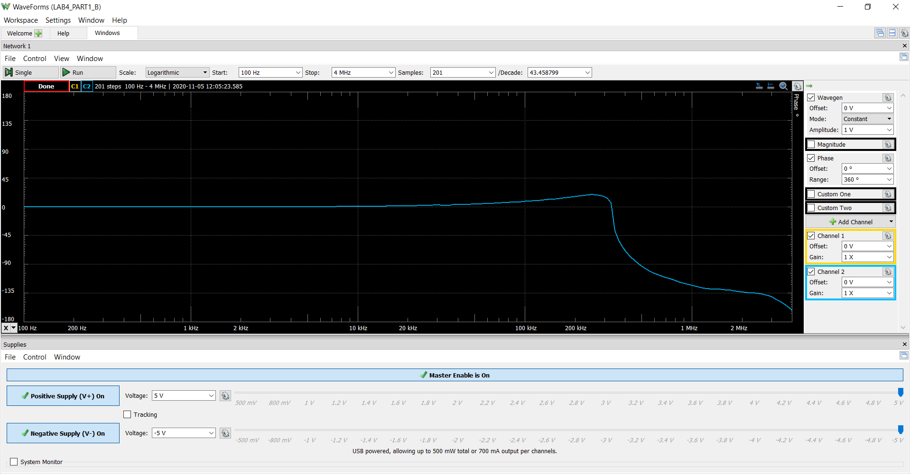
748.84407575 | 1.0018215695 | 1.9867213975 | 0.057468975238 | 5.9627393855
789.59010702 | 1.0017816817 | 1.9867078055 | 0.061026558037 | 5.9626799614
832.5532074 | 1.0018103503 | 1.986712055 | 0.062874493812 | 5.9626985402
877.85401183 | 1.0017779814 | 1.9866883307 | 0.067918168486 | 5.9625948169
925.61971925 | 1.0018344889 | 1.9866205319 | 0.072421038002 | 5.9622983926
975.9844497 | 1.0018583475 | 1.9865790544 | 0.074418930448 | 5.962117043
1029.089621 | 1.0018365826 | 1.9865623081 | 0.079943115144 | 5.9620438233
1085.0843457 | 1.0018423901 | 1.9865179912 | 0.082143934515 | 5.9618500534
1144.12585 | 1.0018132209 | 1.9865967394 | 0.08757966851 | 5.9621943666
1206.3799148 | 1.0017872749 | 1.98662307 | 0.093769675172 | 5.9623094895
1272.0213418 | 1.0018176495 | 1.9864709055 | 0.096764879813 | 5.9616441722
1341.2344438 | 1.0018752831 | 1.986445829 | 0.10526095181 | 5.9615345242
1414.2135624 | 1.0018556492 | 1.986477218 | 0.10925936272 | 5.9616717738
1491.1636137 | 1.0018538709 | 1.9864613491 | 0.11443460256 | 5.9616023868
1572.3006637 | 1.0017849415 | 1.9864307344 | 0.12313206967 | 5.9614685216
1657.852535 | 1.0017981504 | 1.9863938426 | 0.12883556728 | 5.9613072063
1748.0594465 | 1.0018392195 | 1.9862529038 | 0.13589119561 | 5.9606909028
1843.1746877 | 1.0019122519 | 1.986263406 | 0.1440755193 | 5.9607368285
1943.4653301 | 1.0018900822 | 1.9862016384 | 0.15131572477 | 5.9604667159
2049.2129773 | 1.0019354098 | 1.9861030199 | 0.1584972858 | 5.960035435
2160.7145552 | 1.0018965368 | 1.9860225235 | 0.16834383582 | 5.9596833907
2278.2831462 | 1.0019117215 | 1.9859837792 | 0.18152575177 | 5.9595139402
2402.248868 | 1.0018878989 | 1.9859475876 | 0.1925522675 | 5.9593556513
2532.9598005 | 1.0020008531 | 1.9857942099 | 0.20399420295 | 5.9586848012
2670.7829637 | 1.002036772 | 1.9857015044 | 0.21489842288 | 5.9582792969
2816.1053475 | 1.0021004228 | 1.9855793772 | 0.22819339253 | 5.9577450695
2969.3349987 | 1.002051392 | 1.9854382063 | 0.24411294736 | 5.9571274974
3130.9021669 | 1.0022081545 | 1.9853840551 | 0.2533760818 | 5.9568905934
3301.2605122 | 1.0022617316 | 1.98523804 | 0.27249743542 | 5.9562517661
3480.8883792 | 1.0022924544 | 1.9850892084 | 0.29164527513 | 5.9556005681
3670.2901404 | 1.0022847889 | 1.9850897513 | 0.30810236554 | 5.9556029437
3869.9976118 | 1.0023922183 | 1.9849012281 | 0.32897962188 | 5.9547780089
4080.5715467 | 1.0024026284 | 1.9846150351 | 0.35092622742 | 5.9535255436
4302.6032103 | 1.0024950916 | 1.9845027463 | 0.37107552512 | 5.9530340849
4536.7160391 | 1.002260133 | 1.9842992228 | 0.39712224319 | 5.9521432457
4783.5673926 | 1.0025026782 | 1.9842483297 | 0.41922122238 | 5.951920468
5043.8503979 | 1.0026478201 | 1.9839683485 | 0.45055820971 | 5.9506947858
5318.2958969 | 1.0027074718 | 1.9838956126 | 0.47860387266 | 5.9503763398
...

Step 2.4
Time | v(vout)
Seconds | Volts
0 | 1.2269932221E-06
Vout vs Time Characteristics for R2 = 240 kΩ
0 | 1.2269932221E-06
0.0000001 | 1.2236605922E-06
0.0000002 | 1.220052879E-06
0.0000004 | 1.2134526687E-06
0.0000008 | 1.2069039358E-06
0.0000016 | 1.2083932385E-06
0.0000032 | 1.2004403203E-06
0.0000064 | 1.1819752842E-06
0.0000128 | 1.1651082484E-06
0.0000256 | 1.1972204904E-06
0.0000456 | 1.2972597677E-06
0.0000656 | 1.1973111812E-06
0.0000856 | 1.1079660356E-06
0.0001056 | 1.2984662914E-06
0.0001256 | 1.3383995632E-06
0.0001456 | 1.0228879852E-06
0.0001656 | 1.1397315254E-06
0.0001856 | 1.5435088644E-06
0.0002056 | 1.1594392479E-06
0.0002256 | 7.5041807328E-07
0.0002456 | 1.5546866643E-06
0.0002656 | 1.7307983162E-06
0.0002856 | 4.3528603627E-07
0.0003056 | 8.5700241127E-07
0.0003256 | 2.5858975576E-06
0.0003456 | 1.0183176336E-06
0.0003656 | -7.3323456566E-07
0.0003856 | 2.5542232526E-06
0.0004056 | 3.4327160653E-06
0.0004256 | -1.9861414388E-06
0.0004456 | -3.9677573624E-07
0.0004656 | 6.8903141852E-06
0.0004856 | 6.0352852668E-07
0.0005056 | -6.9875581282E-06
0.0005256 | 6.5348710047E-06
0.0005456 | 1.0694709432E-05
0.0005656 | -1.1854071037E-05
0.0005856 | -6.0312628156E-06
0.0006056 | 2.4747022475E-05
0.00062145304247 | 6.3836070517E-06
0.00063718757626 | -3.4252359327E-05
0.00064922930377 | -1.9655510438E-05
0.00065977370996 | 3.403762159E-05
0.00066968264758 | 6.4549446651E-05
0.00067773219596 | 3.5592811645E-05
0.00068571845558 | -3.7180209951E-05
0.0006929816235 | -9.9220186488E-05
0.00070028095478 | -0.00010331977904
0.00070813123544 | -1.6667236265E-05
0.00071538196074 | 0.00011135129376
...
0.0000001 | 1.2236605922E-06
0.0000002 | 1.220052879E-06
0.0000004 | 1.2134526687E-06
0.0000008 | 1.2069039358E-06
0.0000016 | 1.2083932385E-06
0.0000032 | 1.2004403203E-06
0.0000064 | 1.1819752842E-06
0.0000128 | 1.1651082484E-06
0.0000256 | 1.1972204904E-06
0.0000456 | 1.2972597677E-06
0.0000656 | 1.1973111812E-06
0.0000856 | 1.1079660356E-06
0.0001056 | 1.2984662914E-06
0.0001256 | 1.3383995632E-06
0.0001456 | 1.0228879852E-06
0.0001656 | 1.1397315254E-06
0.0001856 | 1.5435088644E-06
0.0002056 | 1.1594392479E-06
0.0002256 | 7.5041807328E-07
0.0002456 | 1.5546866643E-06
0.0002656 | 1.7307983162E-06
0.0002856 | 4.3528603627E-07
0.0003056 | 8.5700241127E-07
0.0003256 | 2.5858975576E-06
0.0003456 | 1.0183176336E-06
0.0003656 | -7.3323456566E-07
0.0003856 | 2.5542232526E-06
0.0004056 | 3.4327160653E-06
0.0004256 | -1.9861414388E-06
0.0004456 | -3.9677573624E-07
0.0004656 | 6.8903141852E-06
0.0004856 | 6.0352852668E-07
0.0005056 | -6.9875581282E-06
0.0005256 | 6.5348710047E-06
0.0005456 | 1.0694709432E-05
0.0005656 | -1.1854071037E-05
0.0005856 | -6.0312628156E-06
0.0006056 | 2.4747022475E-05
0.00062145304247 | 6.3836070517E-06
0.00063718757626 | -3.4252359327E-05
0.00064922930377 | -1.9655510438E-05
...

Step 2.5
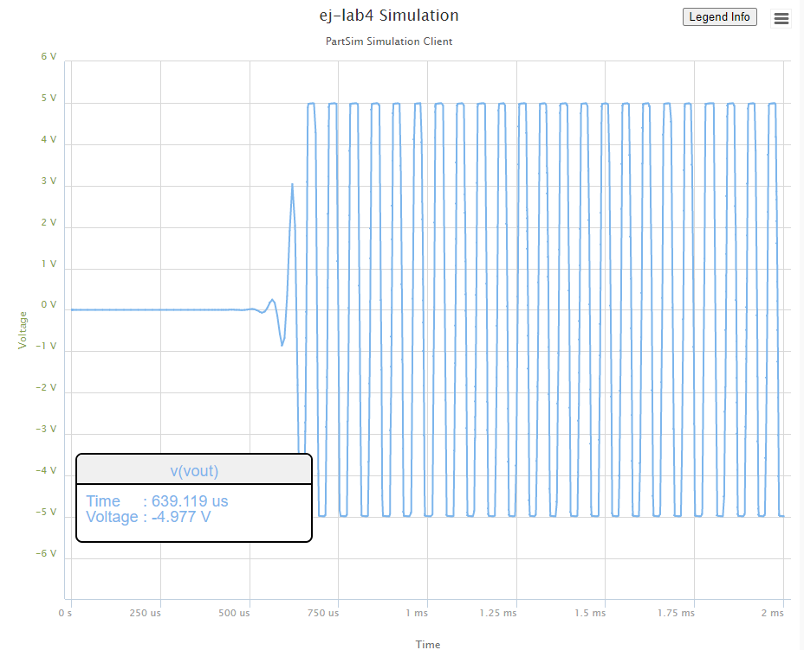
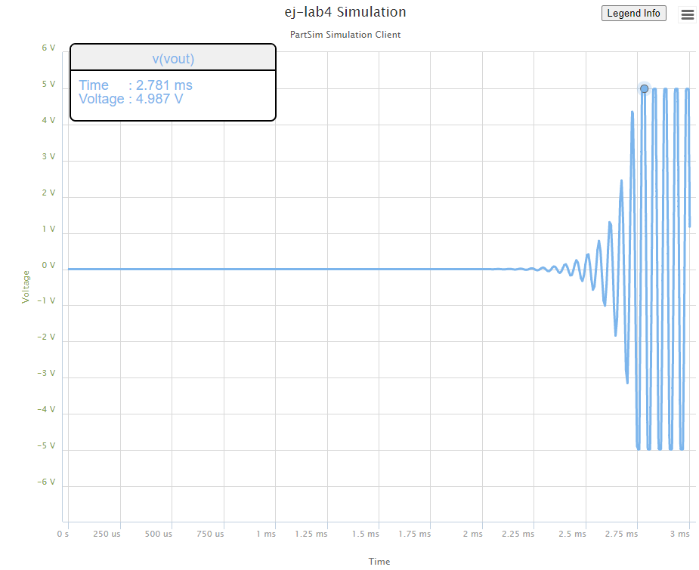
R2 = 220 kΩ | R2 = 240 kΩ | R2 = 280 kΩ
Settling Time (ms) | Settling Time (ms) | Settling Time (ms)
2.781 | 1.213 | 0.64

Step 2.6
Vout vs Time Characteristics for R3 = R4 = 4.02 kΩ
0 | 1.23E-06
0.0000001 | 1.23E-06
0.0000002 | 1.24E-06
0.0000004 | 1.24E-06
0.0000008 | 1.24E-06
0.0000016 | 1.24E-06
0.0000032 | 1.25E-06
0.0000064 | 1.25E-06
0.0000128 | 1.23E-06
0.0000256 | 1.21E-06
0.0000456 | 1.26E-06
0.0000656 | 1.20E-06
0.0000856 | 1.23E-06
0.0001056 | 1.27E-06
0.0001256 | 1.17E-06
0.0001456 | 1.29E-06
0.0001656 | 1.20E-06
0.0001856 | 1.19E-06
0.0002056 | 1.33E-06
0.0002256 | 1.10E-06
0.0002456 | 1.31E-06
0.0002656 | 1.26E-06
0.0002856 | 1.07E-06
0.0003056 | 1.47E-06
0.0003256 | 1.02E-06
0.0003456 | 1.27E-06
0.0003656 | 1.44E-06
0.0003856 | 8.09E-07
0.0004056 | 1.69E-06
0.0004256 | 9.99E-07
0.0004456 | 1.02E-06
0.0004656 | 1.91E-06
0.0004856 | 3.21E-07
0.0005056 | 1.90E-06
0.0005256 | 1.27E-06
0.0005456 | 2.47E-07
0.0005656 | 2.89E-06
0.0005856 | -3.49E-07
0.0006056 | 1.76E-06
0.0006256 | 2.43E-06
0.0006456 | -1.58E-06
0.0006656 | 4.54E-06
0.0006856 | -7.65E-07
0.0007056 | 2.73E-07
0.0007256 | 5.59E-06
0.0007456 | -5.11E-06
0.0007656 | 6.45E-06
0.0007856 | 6.33E-07
0.0008056 | -4.75E-06
0.000823456 | 1.28E-05
...
Time | v(vout)
Seconds | Volts
0 | 1.23E-06
0.0000001 | 1.23E-06
0.0000002 | 1.24E-06
0.0000004 | 1.24E-06
0.0000008 | 1.24E-06
0.0000016 | 1.24E-06
0.0000032 | 1.25E-06
0.0000064 | 1.25E-06
0.0000128 | 1.23E-06
0.0000256 | 1.21E-06
0.0000456 | 1.26E-06
0.0000656 | 1.20E-06
0.0000856 | 1.23E-06
0.0001056 | 1.27E-06
0.0001256 | 1.17E-06
0.0001456 | 1.29E-06
0.0001656 | 1.20E-06
0.0001856 | 1.19E-06
0.0002056 | 1.33E-06
0.0002256 | 1.10E-06
0.0002456 | 1.31E-06
0.0002656 | 1.26E-06
0.0002856 | 1.07E-06
0.0003056 | 1.47E-06
0.0003256 | 1.02E-06
0.0003456 | 1.27E-06
0.0003656 | 1.44E-06
0.0003856 | 8.09E-07
0.0004056 | 1.69E-06
0.0004256 | 9.99E-07
0.0004456 | 1.02E-06
0.0004656 | 1.91E-06
0.0004856 | 3.21E-07
0.0005056 | 1.90E-06
0.0005256 | 1.27E-06
0.0005456 | 2.47E-07
0.0005656 | 2.89E-06
0.0005856 | -3.49E-07
0.0006056 | 1.76E-06
0.0006256 | 2.43E-06
...

Step 2.9
Time (s) | Channel 1 (V) | C1 | Frequency | 15.686 kHz
-0.00028669117647 | -0.67321212127 | C1 | Period | 63.752 us
-0.00028662117647 | -0.80827587586 | C1 | Amplitude | 5.0612 V
-0.00028655117647 | -0.95064037394 | C1 | Maximum | 5.0579 V
-0.00028648117647 | -1.093004872 | C1 | Minimum | -5.09746 V
-0.00028641117647 | -1.2317189983
-0.00028634117647 | -1.3777338682
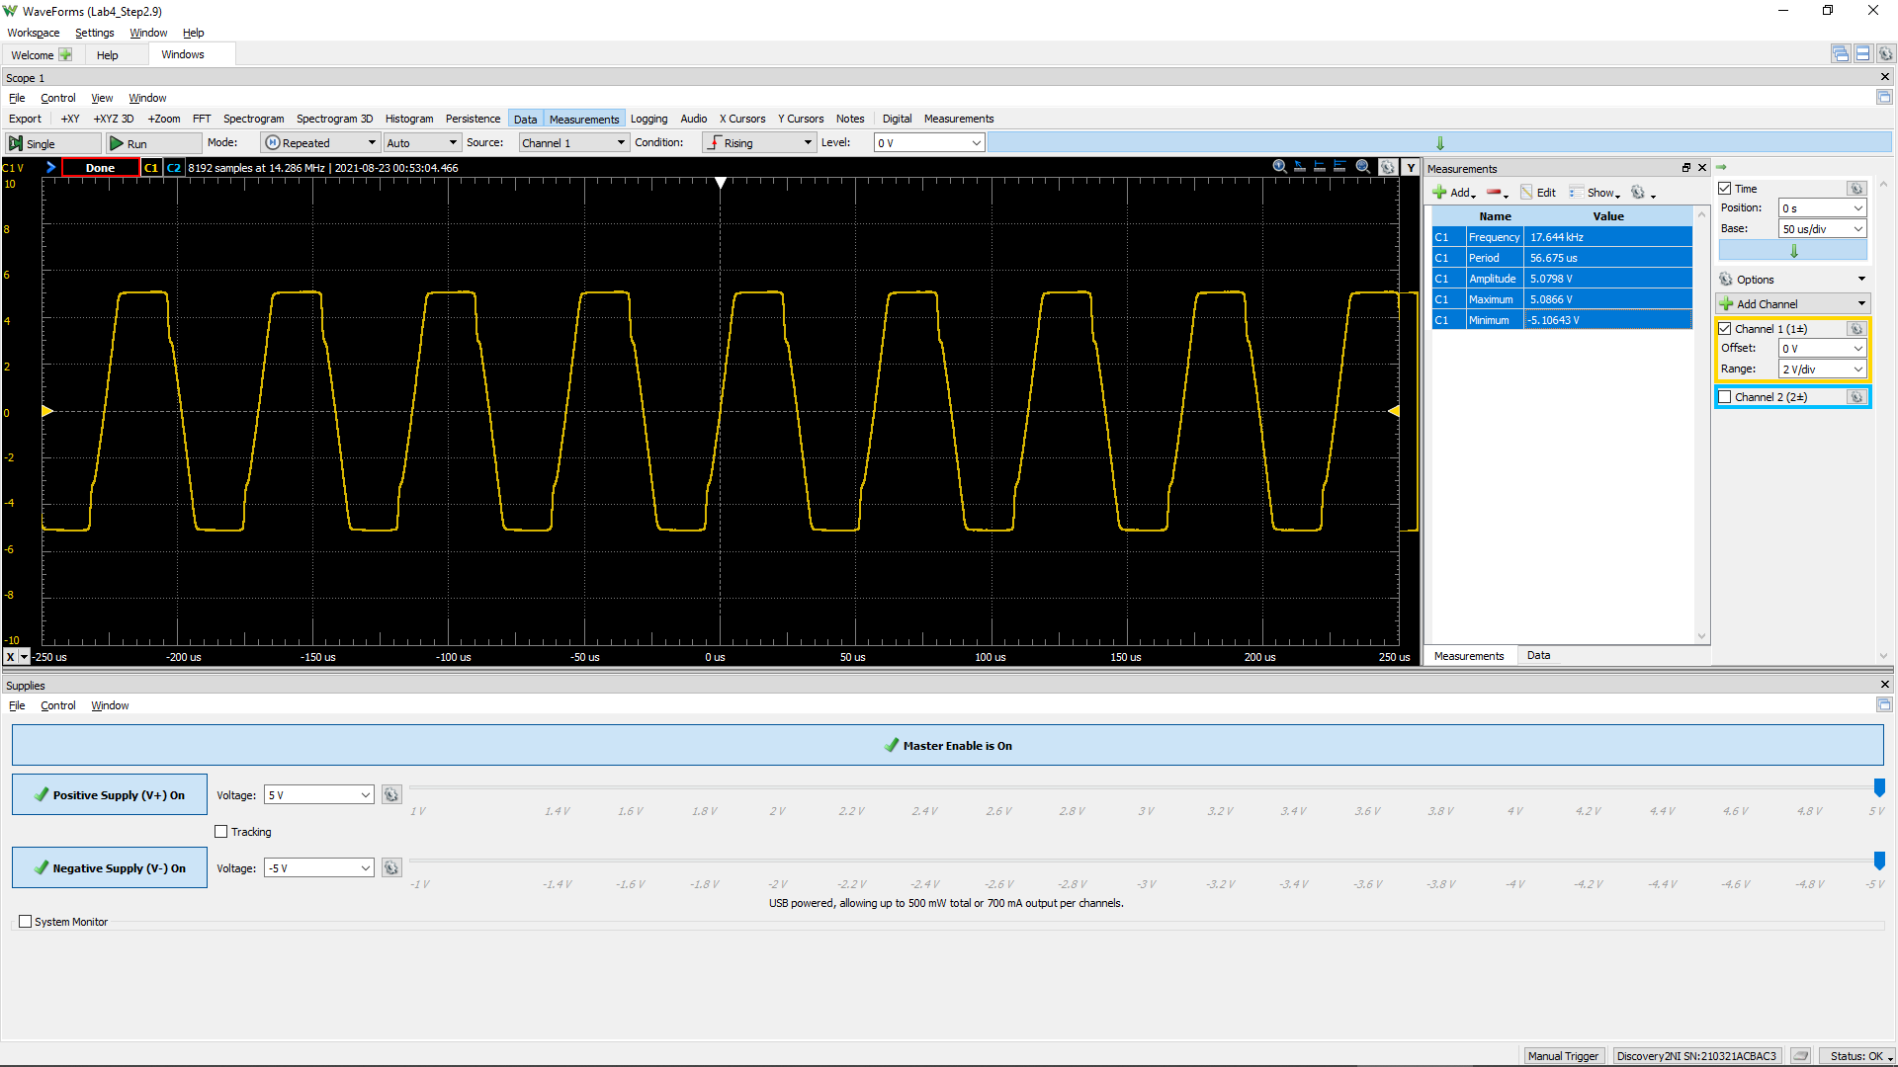
 | Channel 1 (V)
-0.00028669117647 | -0.67321212127
-0.00028662117647 | -0.80827587586
-0.00028655117647 | -0.95064037394
-0.00028648117647 | -1.093004872
-0.00028641117647 | -1.2317189983
-0.00028634117647 | -1.3777338682
-0.00028627117647 | -1.5200983662
-0.00028620117647 | -1.6661132361
-0.00028613117647 | -1.8084777341
-0.00028606117647 | -1.954492604
-0.00028599117647 | -2.1005074738
-0.00028592117647 | -2.2428719719
-0.00028585117647 | -2.3925372134
-0.00028578117647 | -2.5458528268
-0.00028571117647 | -2.6918676966
-0.00028564117647 | -2.8342321947
-0.00028557117647 | -2.987547808
-0.00028550117647 | -3.1372130495
-0.00028543117647 | -3.2759271759
-0.00028536117647 | -3.4255924174
-0.00028529117647 | -3.575257659
-0.00028522117647 | -3.7212725288
-0.00028515117647 | -3.8782385139
-0.00028508117647 | -4.0169526402
-0.00028501117647 | -4.1702682535
-0.00028494117647 | -4.3126327516
-0.00028487117647 | -4.4659483649
-0.00028480117647 | -4.5900610043
-0.00028473117647 | -4.6995721566
-0.00028466117647 | -4.7689292198
-0.00028459117647 | -4.823684796
-0.00028452117647 | -4.8601885135
-0.00028445117647 | -4.8893914874
-0.00028438117647 | -4.9112937179
-0.00028431117647 | -4.9222448331
-0.00028424117647 | -4.9331959484
-0.00028417117647 | -4.9441470636
-0.00028410117647 | -4.9477974353
-0.00028403117647 | -4.9587485506
-0.00028396117647 | -4.9696996658
-0.00028389117647 | -4.9587485506
-0.00028382117647 | -4.9696996658
-0.00028375117647 | -4.9733500376
-0.00028368117647 | -4.9733500376
-0.00028361117647 | -4.9623989223
-0.00028354117647 | -4.9660492941
-0.00028347117647 | -4.9733500376
-0.00028340117647 | -4.9733500376
-0.00028333117647 | -4.9770004093
-0.00028326117647 | -4.9770004093
...
-0.00028627117647 | -1.5200983662
-0.00028620117647 | -1.6661132361
-0.00028613117647 | -1.8084777341
-0.00028606117647 | -1.954492604
-0.00028599117647 | -2.1005074738
-0.00028592117647 | -2.2428719719
-0.00028585117647 | -2.3925372134
-0.00028578117647 | -2.5458528268
-0.00028571117647 | -2.6918676966
-0.00028564117647 | -2.8342321947
-0.00028557117647 | -2.987547808
-0.00028550117647 | -3.1372130495
-0.00028543117647 | -3.2759271759
-0.00028536117647 | -3.4255924174
-0.00028529117647 | -3.575257659
-0.00028522117647 | -3.7212725288
-0.00028515117647 | -3.8782385139
-0.00028508117647 | -4.0169526402
-0.00028501117647 | -4.1702682535
-0.00028494117647 | -4.3126327516
-0.00028487117647 | -4.4659483649
-0.00028480117647 | -4.5900610043
-0.00028473117647 | -4.6995721566
-0.00028466117647 | -4.7689292198
-0.00028459117647 | -4.823684796
-0.00028452117647 | -4.8601885135
-0.00028445117647 | -4.8893914874
-0.00028438117647 | -4.9112937179
-0.00028431117647 | -4.9222448331
-0.00028424117647 | -4.9331959484
-0.00028417117647 | -4.9441470636
-0.00028410117647 | -4.9477974353
-0.00028403117647 | -4.9587485506
-0.00028396117647 | -4.9696996658
-0.00028389117647 | -4.9587485506
-0.00028382117647 | -4.9696996658
-0.00028375117647 | -4.9733500376
-0.00028368117647 | -4.9733500376
-0.00028361117647 | -4.9623989223
-0.00028354117647 | -4.9660492941
-0.00028347117647 | -4.9733500376
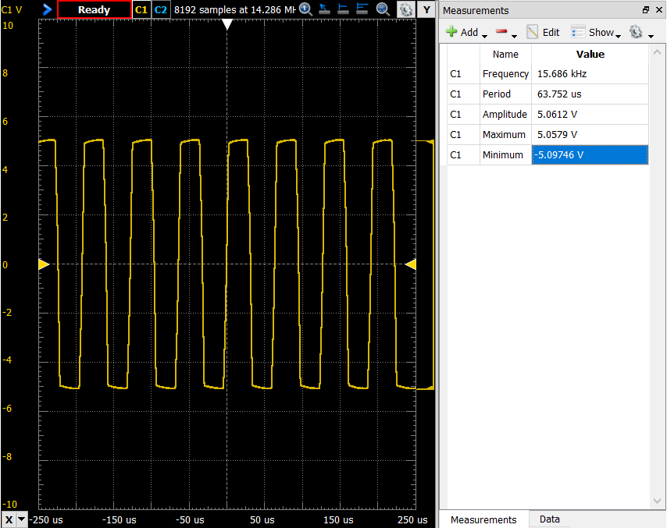
-0.00028340117647 | -4.9733500376
-0.00028333117647 | -4.9770004093
-0.00028326117647 | -4.9770004093
-0.00028319117647 | -4.9806507811
-0.00028312117647 | -4.9733500376
-0.00028305117647 | -4.9806507811
-0.00028298117647 | -4.9806507811
-0.00028291117647 | -4.9770004093
-0.00028284117647 | -4.9770004093
-0.00028277117647 | -4.9733500376
-0.00028270117647 | -4.9770004093
-0.00028263117647 | -4.9806507811
-0.00028256117647 | -4.9843011528
-0.00028249117647 | -4.9843011528
-0.00028242117647 | -4.9806507811
-0.00028235117647 | -4.9843011528
-0.00028228117647 | -4.9843011528
-0.00028221117647 | -4.9916018963
-0.00028214117647 | -4.995252268
-0.00028207117647 | -4.9916018963
-0.00028200117647 | -4.9916018963
-0.00028193117647 | -4.995252268
-0.00028186117647 | -4.9916018963
-0.00028179117647 | -4.9989026398
-0.00028172117647 | -4.995252268
-0.00028165117647 | -4.995252268
-0.00028158117647 | -5.0025530115
-0.00028151117647 | -4.995252268
-0.00028144117647 | -4.9989026398
-0.00028137117647 | -5.009853755
-0.00028130117647 | -5.0025530115
-0.00028123117647 | -4.9989026398
-0.00028116117647 | -4.9989026398
-0.00028109117647 | -4.995252268
-0.00028102117647 | -5.009853755
-0.00028095117647 | -4.9989026398
-0.00028088117647 | -5.0025530115
-0.00028081117647 | -4.9989026398
-0.00028074117647 | -5.0062033833
-0.00028067117647 | -5.0025530115
-0.00028060117647 | -4.9989026398
-0.00028053117647 | -4.9989026398
-0.00028046117647 | -4.9989026398
-0.00028039117647 | -5.0025530115
-0.00028032117647 | -5.0135041268
-0.00028025117647 | -5.0062033833
-0.00028018117647 | -5.0135041268
-0.00028011117647 | -5.0062033833
-0.00028004117647 | -5.0135041268
...

Step 2.10
Time (s) | Channel 1 (V) | C1 | Frequency | 28.929 kHz
-0.00028670541667 | -5.0062033833 | C1 | Period | 34.567 us
-0.00028663541667 | -5.009853755 | C1 | Amplitude | 5.0028 V
-0.00028656541667 | -5.009853755 | C1 | Maximum | 4.9995 V
-0.00028649541667 | -5.0025530115 | C1 | Minimum | -5.04636 V
-0.00028642541667 | -5.009853755
-0.00028635541667 | -5.0062033833
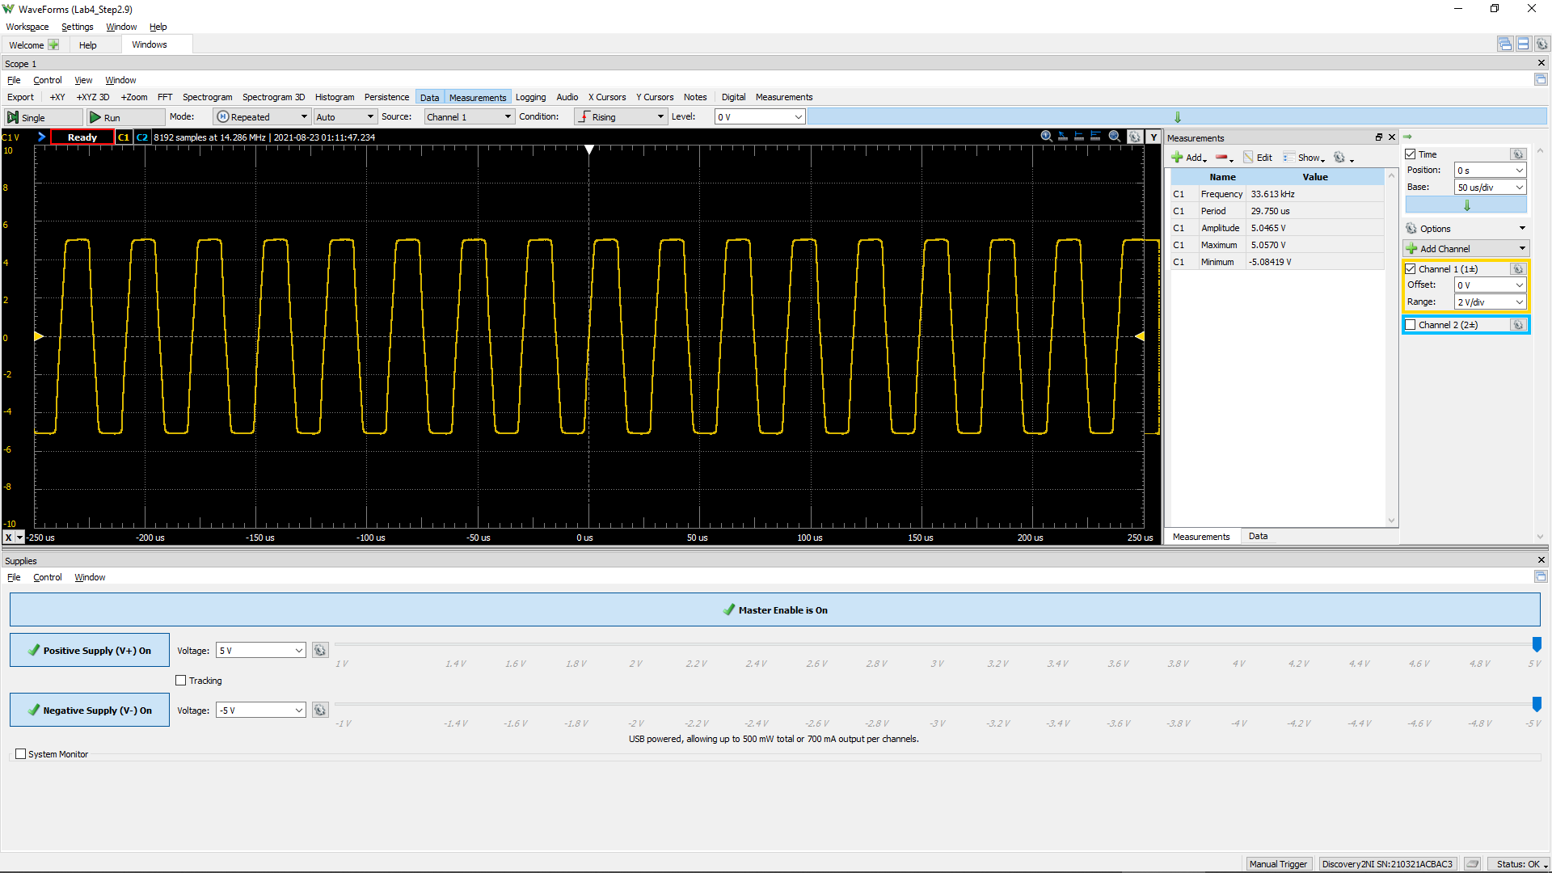
-0.00028628541667 | -5.0062033833
-0.00028621541667 | -5.0025530115
-0.00028614541667 | -5.009853755
-0.00028607541667 | -5.009853755
-0.00028600541667 | -5.0171544985
-0.00028593541667 | -5.0135041268
-0.00028586541667 | -5.009853755
-0.00028579541667 | -5.0062033833
-0.00028572541667 | -5.0135041268
-0.00028565541667 | -5.0135041268
-0.00028558541667 | -5.0171544985
-0.00028551541667 | -5.0171544985
-0.00028544541667 | -5.0135041268
-0.00028537541667 | -5.0208048703
-0.00028530541667 | -5.0171544985
-0.00028523541667 | -5.0208048703
-0.00028516541667 | -5.0171544985
-0.00028509541667 | -5.0171544985
-0.00028502541667 | -5.0171544985
-0.00028495541667 | -5.0208048703
-0.00028488541667 | -5.0208048703
-0.00028481541667 | -5.0208048703
-0.00028474541667 | -5.024455242
-0.00028467541667 | -5.0135041268
-0.00028460541667 | -5.0171544985
-0.00028453541667 | -5.0208048703
-0.00028446541667 | -5.0208048703
 | Channel 1 (V)
-0.00028670541667 | -5.0062033833
-0.00028663541667 | -5.009853755
-0.00028656541667 | -5.009853755
-0.00028649541667 | -5.0025530115
-0.00028642541667 | -5.009853755
-0.00028635541667 | -5.0062033833
-0.00028628541667 | -5.0062033833
-0.00028621541667 | -5.0025530115
-0.00028614541667 | -5.009853755
-0.00028607541667 | -5.009853755
-0.00028600541667 | -5.0171544985
-0.00028593541667 | -5.0135041268
-0.00028586541667 | -5.009853755
-0.00028579541667 | -5.0062033833
-0.00028572541667 | -5.0135041268
-0.00028565541667 | -5.0135041268
-0.00028558541667 | -5.0171544985
-0.00028551541667 | -5.0171544985
-0.00028544541667 | -5.0135041268
-0.00028537541667 | -5.0208048703
-0.00028530541667 | -5.0171544985
-0.00028523541667 | -5.0208048703
-0.00028516541667 | -5.0171544985
-0.00028509541667 | -5.0171544985
-0.00028502541667 | -5.0171544985
-0.00028495541667 | -5.0208048703
-0.00028488541667 | -5.0208048703
-0.00028481541667 | -5.0208048703
-0.00028474541667 | -5.024455242
-0.00028467541667 | -5.0135041268
-0.00028460541667 | -5.0171544985
-0.00028453541667 | -5.0208048703
-0.00028446541667 | -5.0208048703
-0.00028439541667 | -5.0208048703
-0.00028432541667 | -5.0281056138
-0.00028425541667 | -5.024455242
-0.00028418541667 | -5.0317559855
-0.00028411541667 | -5.0317559855
-0.00028404541667 | -5.0317559855
-0.00028397541667 | -5.0317559855
-0.00028390541667 | -5.0281056138
-0.00028383541667 | -5.0354063572
-0.00028376541667 | -5.0317559855
-0.00028369541667 | -5.0317559855
-0.00028362541667 | -5.024455242
-0.00028355541667 | -5.0317559855
-0.00028348541667 | -5.0317559855
-0.00028341541667 | -5.0281056138
-0.00028334541667 | -5.0354063572
-0.00028327541667 | -5.0317559855
...
-0.00028439541667 | -5.0208048703
-0.00028432541667 | -5.0281056138
-0.00028425541667 | -5.024455242
-0.00028418541667 | -5.0317559855
-0.00028411541667 | -5.0317559855
-0.00028404541667 | -5.0317559855
-0.00028397541667 | -5.0317559855
-0.00028390541667 | -5.0281056138
-0.00028383541667 | -5.0354063572
-0.00028376541667 | -5.0317559855
-0.00028369541667 | -5.0317559855
-0.00028362541667 | -5.024455242
-0.00028355541667 | -5.0317559855
-0.00028348541667 | -5.0317559855
-0.00028341541667 | -5.0281056138
-0.00028334541667 | -5.0354063572
-0.00028327541667 | -5.0317559855
-0.00028320541667 | -5.0354063572
-0.00028313541667 | -5.0317559855
-0.00028306541667 | -5.0317559855
-0.00028299541667 | -5.0281056138
-0.00028292541667 | -5.0354063572
-0.00028285541667 | -5.0317559855
-0.00028278541667 | -5.0427071007
-0.00028271541667 | -5.0354063572
-0.00028264541667 | -5.0354063572
-0.00028257541667 | -5.039056729
...

